Proc 4 - HPSplit
Decision tree without missing values

The HPSPLIT Procedure

Performance Information
Execution Mode | Single-Machine
Number of Threads | 2

Data Access Information
Data | Engine | Role | Path
WORK.HMEQ | V9 | Input | On Client

Model Information
Split Criterion Used | Entropy
Pruning Method | Cost-Complexity
Subtree Evaluation Criterion | Cost-Complexity
Number of Branches | 2
Maximum Tree Depth Requested | 10
Maximum Tree Depth Achieved | 10
Tree Depth | 6
Number of Leaves Before Pruning | 54
Number of Leaves After Pruning | 10
Model Event Level | 1

Number of Observations Read | 5960
Number of Observations Used | 3364
Number of Training Observations Used | 2364
Number of Validation Observations Used | 1000

Decision tree without missing values

The HPSPLIT Procedure

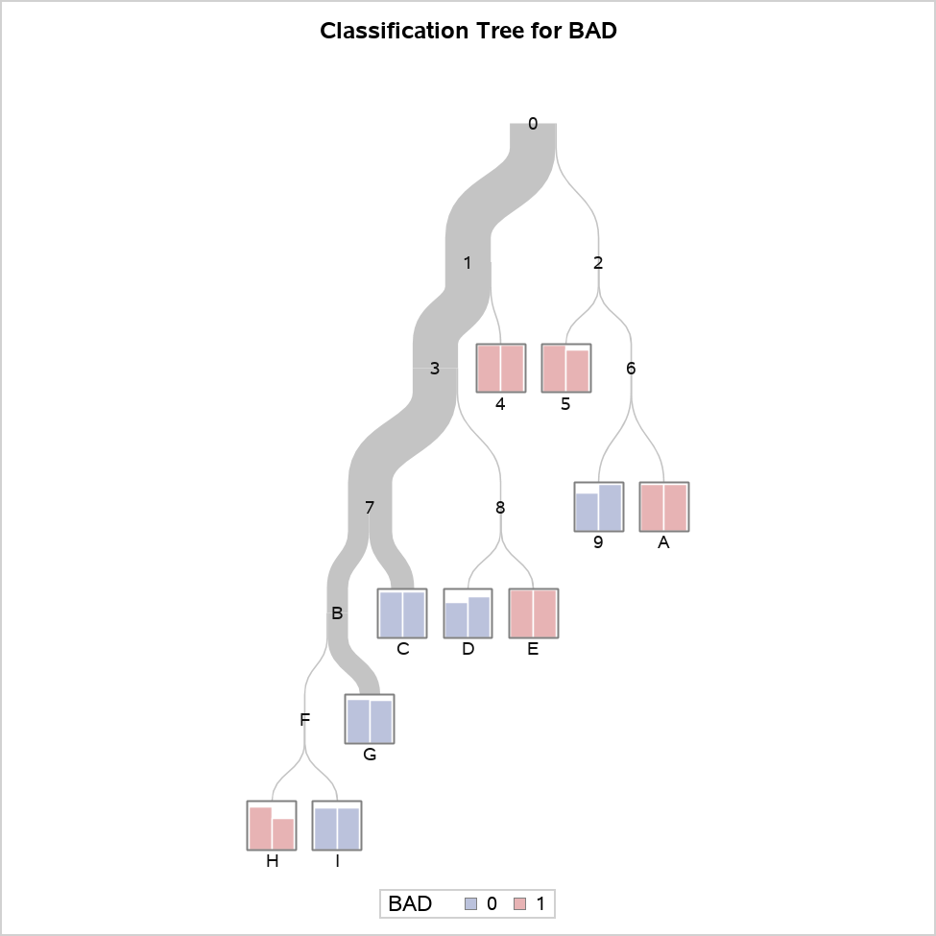

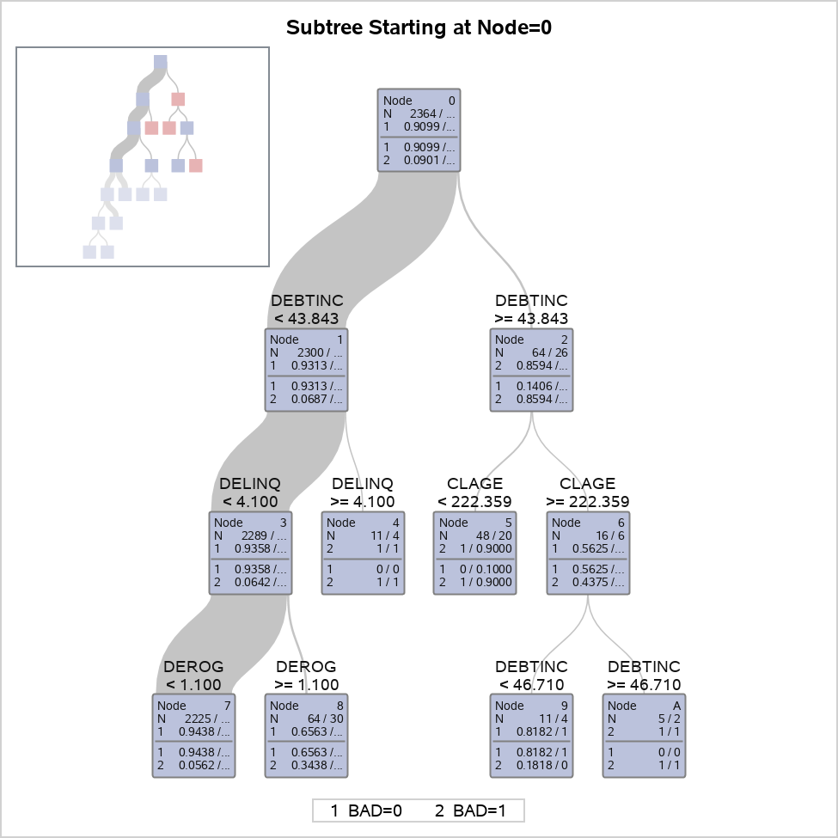

Decision tree without missing values

The HPSPLIT Procedure

Confusion Matrices
 | Actual | Predicted |  | Error Rate
 |  | 0 | 1
Training | 0 | 2150 | 1 | 0.0005
 | 1 | 133 | 80 | 0.6244
Validation | 0 | 910 | 3 | 0.0033
 | 1 | 59 | 28 | 0.6782

Fit Statistics for Selected Tree
 | N Leaves | ASE | Mis- class | Sensitivity | Specificity | Entropy | Gini | RSS | AUC
Training | 10 | 0.0518 | 0.0567 | 0.3756 | 0.9995 | 0.2962 | 0.1036 | 244.8 | 0.7795
Validation | 10 | 0.0579 | 0.0620 | 0.3218 | 0.9967 | 0.3212 | 0.1139 | 115.8 | 0.7483

Node Information
ID | Path | Training Data |  |  |  |  | Validation Data
 |  | Count | 0 |  | 1 |  | Count | 0 | 1
4 | Root Node | 2364 | 0.9099 |  | 0.0901 |  | 1000 | 0.9130 | 0.0870
 | DEBTINC < 43.8434 or Missing | 2300 | 0.9313 |  | 0.0687 |  | 974 | 0.9312 | 0.0688
 | DELINQ >= 4.1 | 11 | 0.0000 |  | 1.0000 | * | 4 | 0.0000 | 1.0000
5 | Root Node | 2364 | 0.9099 |  | 0.0901 |  | 1000 | 0.9130 | 0.0870
 | DEBTINC >= 43.8434 | 64 | 0.1406 |  | 0.8594 |  | 26 | 0.2308 | 0.7692
 | CLAGE < 222.359 or Missing | 48 | 0.0000 |  | 1.0000 | * | 20 | 0.1000 | 0.9000
9 | Root Node | 2364 | 0.9099 |  | 0.0901 |  | 1000 | 0.9130 | 0.0870
 | DEBTINC >= 43.8434 | 64 | 0.1406 |  | 0.8594 |  | 26 | 0.2308 | 0.7692
 | CLAGE >= 222.359 | 16 | 0.5625 |  | 0.4375 |  | 6 | 0.6667 | 0.3333
 | DEBTINC < 46.7104 or Missing | 11 | 0.8182 | * | 0.1818 |  | 4 | 1.0000 | 0.0000
A | Root Node | 2364 | 0.9099 |  | 0.0901 |  | 1000 | 0.9130 | 0.0870
 | DEBTINC >= 43.8434 | 64 | 0.1406 |  | 0.8594 |  | 26 | 0.2308 | 0.7692
 | CLAGE >= 222.359 | 16 | 0.5625 |  | 0.4375 |  | 6 | 0.6667 | 0.3333
 | DEBTINC >= 46.7104 | 5 | 0.0000 |  | 1.0000 | * | 2 | 0.0000 | 1.0000
C | Root Node | 2364 | 0.9099 |  | 0.0901 |  | 1000 | 0.9130 | 0.0870
 | DEBTINC < 43.8434 or Missing | 2300 | 0.9313 |  | 0.0687 |  | 974 | 0.9312 | 0.0688
 | DELINQ < 4.1 or Missing | 2289 | 0.9358 |  | 0.0642 |  | 970 | 0.9351 | 0.0649
 | DEROG < 1.1 or Missing | 2225 | 0.9438 |  | 0.0562 |  | 940 | 0.9394 | 0.0606
 | CLAGE >= 175.649 or Missing | 1160 | 0.9681 | * | 0.0319 |  | 453 | 0.9691 | 0.0309
D | Root Node | 2364 | 0.9099 |  | 0.0901 |  | 1000 | 0.9130 | 0.0870
 | DEBTINC < 43.8434 or Missing | 2300 | 0.9313 |  | 0.0687 |  | 974 | 0.9312 | 0.0688
 | DELINQ < 4.1 or Missing | 2289 | 0.9358 |  | 0.0642 |  | 970 | 0.9351 | 0.0649
 | DEROG >= 1.1 | 64 | 0.6563 |  | 0.3438 |  | 30 | 0.8000 | 0.2000
 | CLNO < 30.08 or Missing | 57 | 0.7368 | * | 0.2632 |  | 28 | 0.8571 | 0.1429
E | Root Node | 2364 | 0.9099 |  | 0.0901 |  | 1000 | 0.9130 | 0.0870
 | DEBTINC < 43.8434 or Missing | 2300 | 0.9313 |  | 0.0687 |  | 974 | 0.9312 | 0.0688
 | DELINQ < 4.1 or Missing | 2289 | 0.9358 |  | 0.0642 |  | 970 | 0.9351 | 0.0649
 | DEROG >= 1.1 | 64 | 0.6563 |  | 0.3438 |  | 30 | 0.8000 | 0.2000
 | CLNO >= 30.08 | 7 | 0.0000 |  | 1.0000 | * | 2 | 0.0000 | 1.0000
G | Root Node | 2364 | 0.9099 |  | 0.0901 |  | 1000 | 0.9130 | 0.0870
 | DEBTINC < 43.8434 or Missing | 2300 | 0.9313 |  | 0.0687 |  | 974 | 0.9312 | 0.0688
 | DELINQ < 4.1 or Missing | 2289 | 0.9358 |  | 0.0642 |  | 970 | 0.9351 | 0.0649
 | DEROG < 1.1 or Missing | 2225 | 0.9438 |  | 0.0562 |  | 940 | 0.9394 | 0.0606
 | CLAGE < 175.649 | 1065 | 0.9174 |  | 0.0826 |  | 487 | 0.9117 | 0.0883
 | LOAN >= 6110 or Missing | 1024 | 0.9268 | * | 0.0732 |  | 468 | 0.9167 | 0.0833
H | Root Node | 2364 | 0.9099 |  | 0.0901 |  | 1000 | 0.9130 | 0.0870
 | DEBTINC < 43.8434 or Missing | 2300 | 0.9313 |  | 0.0687 |  | 974 | 0.9312 | 0.0688
 | DELINQ < 4.1 or Missing | 2289 | 0.9358 |  | 0.0642 |  | 970 | 0.9351 | 0.0649
 | DEROG < 1.1 or Missing | 2225 | 0.9438 |  | 0.0562 |  | 940 | 0.9394 | 0.0606
 | CLAGE < 175.649 | 1065 | 0.9174 |  | 0.0826 |  | 487 | 0.9117 | 0.0883
 | LOAN < 6110 | 41 | 0.6829 |  | 0.3171 |  | 19 | 0.7895 | 0.2105
 | MORTDUE < 44509.6 | 10 | 0.1000 |  | 0.9000 | * | 3 | 0.3333 | 0.6667
I | Root Node | 2364 | 0.9099 |  | 0.0901 |  | 1000 | 0.9130 | 0.0870
 | DEBTINC < 43.8434 or Missing | 2300 | 0.9313 |  | 0.0687 |  | 974 | 0.9312 | 0.0688
 | DELINQ < 4.1 or Missing | 2289 | 0.9358 |  | 0.0642 |  | 970 | 0.9351 | 0.0649
 | DEROG < 1.1 or Missing | 2225 | 0.9438 |  | 0.0562 |  | 940 | 0.9394 | 0.0606
 | CLAGE < 175.649 | 1065 | 0.9174 |  | 0.0826 |  | 487 | 0.9117 | 0.0883
 | LOAN < 6110 | 41 | 0.6829 |  | 0.3171 |  | 19 | 0.7895 | 0.2105
 | MORTDUE >= 44509.6 or Missing | 31 | 0.8710 | * | 0.1290 |  | 16 | 0.8750 | 0.1250
* Selected target level

Variable Importance
Variable | Training |  | Validation |  | Relative Ratio | Count
 | Relative | Importance | Relative | Importance
DEBTINC | 1.0000 | 9.0806 | 1.0000 | 5.1940 | 1.0000 | 2
DELINQ | 0.4822 | 4.3787 | 0.5081 | 2.6391 | 1.0537 | 1
CLAGE | 0.3560 | 3.2329 | 0.4042 | 2.0994 | 1.1353 | 2
CLNO | 0.2865 | 2.6019 | 0.3429 | 1.7811 | 1.1968 | 1
MORTDUE | 0.3302 | 2.9981 | 0.2425 | 1.2596 | 0.7345 | 1
LOAN | 0.2384 | 2.1651 | 0.0595 | 0.3088 | 0.2494 | 1
DEROG | 0.3532 | 3.2077 | 0.0000 | 0 | 0.0000 | 1

Proc 5 - HPSplit
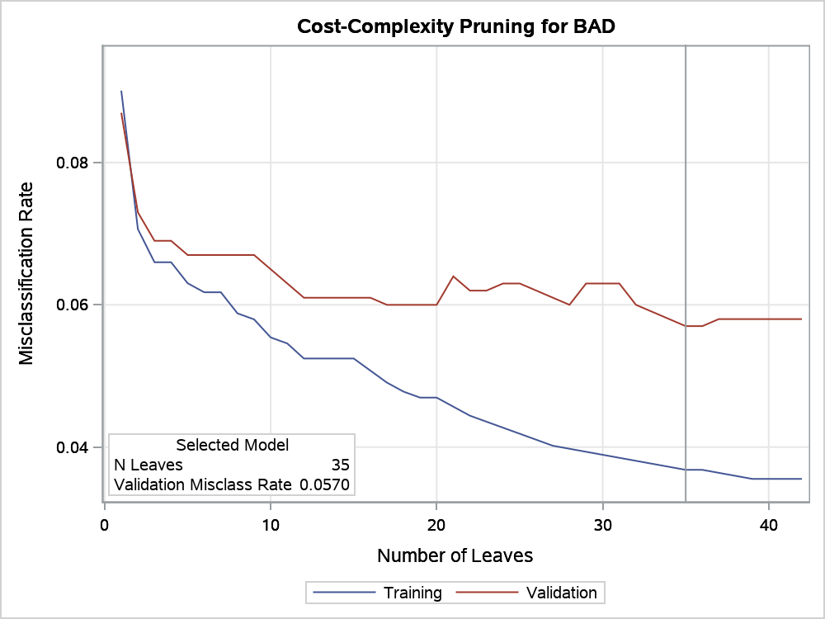
Decision tree with Gini criterion

The HPSPLIT Procedure

Performance Information
Execution Mode | Single-Machine
Number of Threads | 2

Data Access Information
Data | Engine | Role | Path
WORK.HMEQ | V9 | Input | On Client

Model Information
Split Criterion Used | Gini
Pruning Method | Cost-Complexity
Subtree Evaluation Criterion | Cost-Complexity
Number of Branches | 2
Maximum Tree Depth Requested | 10
Maximum Tree Depth Achieved | 10
Tree Depth | 10
Number of Leaves Before Pruning | 42
Number of Leaves After Pruning | 35
Model Event Level | 1

Number of Observations Read | 5960
Number of Observations Used | 3364
Number of Training Observations Used | 2364
Number of Validation Observations Used | 1000

Decision tree with Gini criterion

The HPSPLIT Procedure

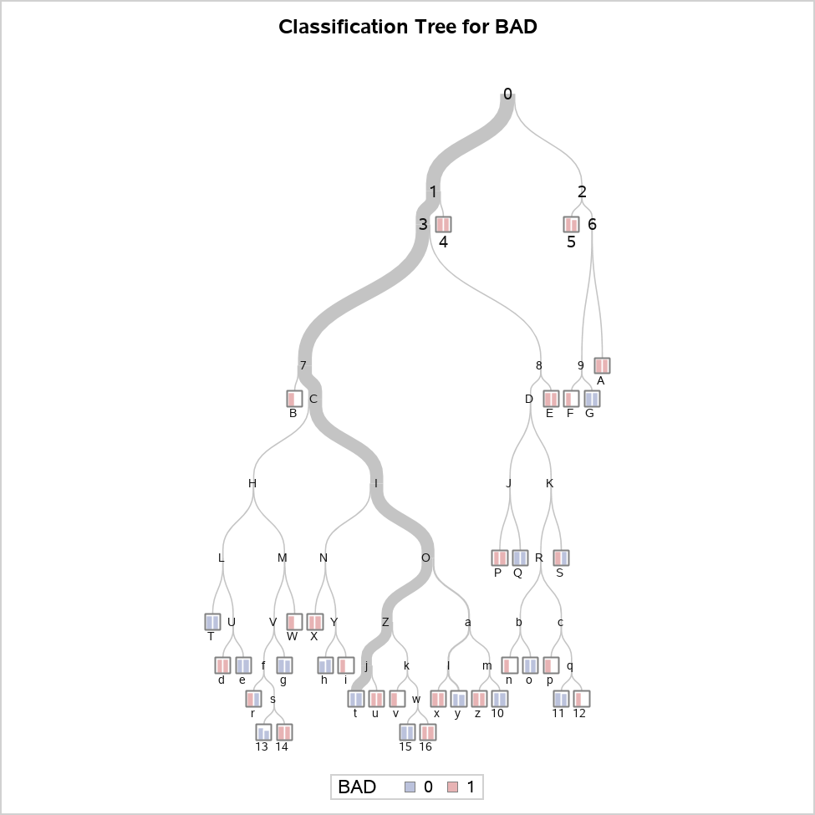

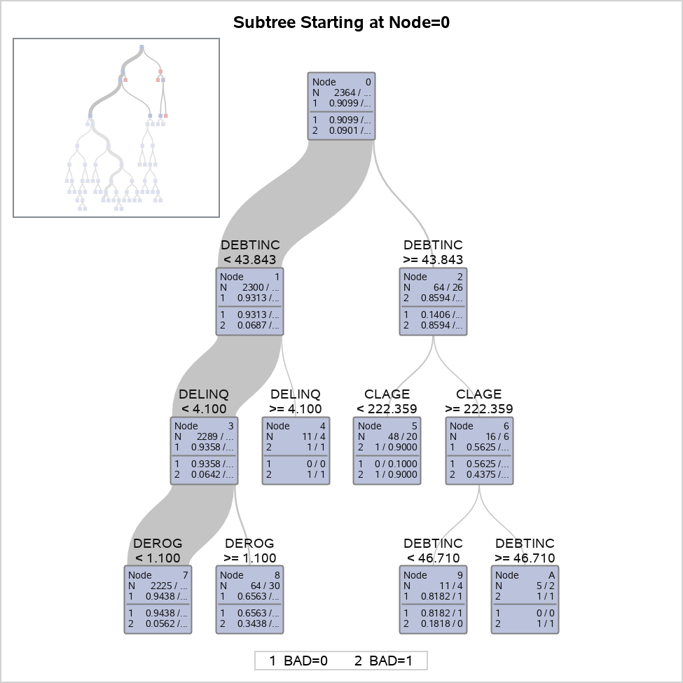

Decision tree with Gini criterion

The HPSPLIT Procedure

Confusion Matrices
 | Actual | Predicted |  | Error Rate
 |  | 0 | 1
Training | 0 | 2151 | 0 | 0.0000
 | 1 | 87 | 126 | 0.4085
Validation | 0 | 906 | 7 | 0.0077
 | 1 | 50 | 37 | 0.5747

Fit Statistics for Selected Tree
 | N Leaves | ASE | Mis- class | Sensitivity | Specificity | Entropy | Gini | RSS | AUC
Training | 35 | 0.0348 | 0.0368 | 0.5915 | 1.0000 | 0.2160 | 0.0696 | 164.6 | 0.8442
Validation | 35 | 0.0528 | 0.0570 | 0.4253 | 0.9923 | 0.2655 | 0.0930 | 105.5 | 0.7986

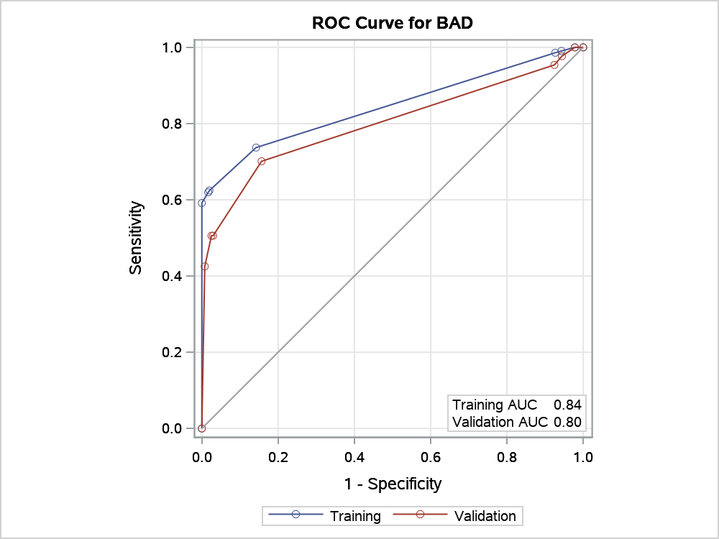

Node Information
ID | Path | Training Data |  |  |  |  | Validation Data
 |  | Count | 0 |  | 1 |  | Count | 0 | 1
4 | Root Node | 2364 | 0.9099 |  | 0.0901 |  | 1000 | 0.9130 | 0.0870
 | DEBTINC < 43.8434 or Missing | 2300 | 0.9313 |  | 0.0687 |  | 974 | 0.9312 | 0.0688
 | DELINQ >= 4.1 | 11 | 0.0000 |  | 1.0000 | * | 4 | 0.0000 | 1.0000
5 | Root Node | 2364 | 0.9099 |  | 0.0901 |  | 1000 | 0.9130 | 0.0870
 | DEBTINC >= 43.8434 | 64 | 0.1406 |  | 0.8594 |  | 26 | 0.2308 | 0.7692
 | CLAGE < 222.359 or Missing | 48 | 0.0000 |  | 1.0000 | * | 20 | 0.1000 | 0.9000
A | Root Node | 2364 | 0.9099 |  | 0.0901 |  | 1000 | 0.9130 | 0.0870
 | DEBTINC >= 43.8434 | 64 | 0.1406 |  | 0.8594 |  | 26 | 0.2308 | 0.7692
 | CLAGE >= 222.359 | 16 | 0.5625 |  | 0.4375 |  | 6 | 0.6667 | 0.3333
 | DEBTINC >= 46.7104 | 5 | 0.0000 |  | 1.0000 | * | 2 | 0.0000 | 1.0000
B | Root Node | 2364 | 0.9099 |  | 0.0901 |  | 1000 | 0.9130 | 0.0870
 | DEBTINC < 43.8434 or Missing | 2300 | 0.9313 |  | 0.0687 |  | 974 | 0.9312 | 0.0688
 | DELINQ < 4.1 or Missing | 2289 | 0.9358 |  | 0.0642 |  | 970 | 0.9351 | 0.0649
 | DEROG < 1.1 or Missing | 2225 | 0.9438 |  | 0.0562 |  | 940 | 0.9394 | 0.0606
 | CLNO < 2.56 | 3 | 0.0000 |  | 1.0000 | * | 0 | . | .
E | Root Node | 2364 | 0.9099 |  | 0.0901 |  | 1000 | 0.9130 | 0.0870
 | DEBTINC < 43.8434 or Missing | 2300 | 0.9313 |  | 0.0687 |  | 974 | 0.9312 | 0.0688
 | DELINQ < 4.1 or Missing | 2289 | 0.9358 |  | 0.0642 |  | 970 | 0.9351 | 0.0649
 | DEROG >= 1.1 | 64 | 0.6563 |  | 0.3438 |  | 30 | 0.8000 | 0.2000
 | CLNO >= 30.08 | 7 | 0.0000 |  | 1.0000 | * | 2 | 0.0000 | 1.0000
F | Root Node | 2364 | 0.9099 |  | 0.0901 |  | 1000 | 0.9130 | 0.0870
 | DEBTINC >= 43.8434 | 64 | 0.1406 |  | 0.8594 |  | 26 | 0.2308 | 0.7692
 | CLAGE >= 222.359 | 16 | 0.5625 |  | 0.4375 |  | 6 | 0.6667 | 0.3333
 | DEBTINC < 46.7104 or Missing | 11 | 0.8182 |  | 0.1818 |  | 4 | 1.0000 | 0.0000
 | JOB = ProfEx | 2 | 0.0000 |  | 1.0000 | * | 0 | . | .
G | Root Node | 2364 | 0.9099 |  | 0.0901 |  | 1000 | 0.9130 | 0.0870
 | DEBTINC >= 43.8434 | 64 | 0.1406 |  | 0.8594 |  | 26 | 0.2308 | 0.7692
 | CLAGE >= 222.359 | 16 | 0.5625 |  | 0.4375 |  | 6 | 0.6667 | 0.3333
 | DEBTINC < 46.7104 or Missing | 11 | 0.8182 |  | 0.1818 |  | 4 | 1.0000 | 0.0000
 | JOB = Mgr,Office,Other,Sales,Self or Missing | 9 | 1.0000 | * | 0.0000 |  | 4 | 1.0000 | 0.0000
P | Root Node | 2364 | 0.9099 |  | 0.0901 |  | 1000 | 0.9130 | 0.0870
 | DEBTINC < 43.8434 or Missing | 2300 | 0.9313 |  | 0.0687 |  | 974 | 0.9312 | 0.0688
 | DELINQ < 4.1 or Missing | 2289 | 0.9358 |  | 0.0642 |  | 970 | 0.9351 | 0.0649
 | DEROG >= 1.1 | 64 | 0.6563 |  | 0.3438 |  | 30 | 0.8000 | 0.2000
 | CLNO < 30.08 or Missing | 57 | 0.7368 |  | 0.2632 |  | 28 | 0.8571 | 0.1429
 | CLNO < 16.64 | 14 | 0.4286 |  | 0.5714 |  | 4 | 0.5000 | 0.5000
 | CLAGE < 234.036 or Missing | 8 | 0.0000 |  | 1.0000 | * | 2 | 0.0000 | 1.0000
Q | Root Node | 2364 | 0.9099 |  | 0.0901 |  | 1000 | 0.9130 | 0.0870
 | DEBTINC < 43.8434 or Missing | 2300 | 0.9313 |  | 0.0687 |  | 974 | 0.9312 | 0.0688
 | DELINQ < 4.1 or Missing | 2289 | 0.9358 |  | 0.0642 |  | 970 | 0.9351 | 0.0649
 | DEROG >= 1.1 | 64 | 0.6563 |  | 0.3438 |  | 30 | 0.8000 | 0.2000
 | CLNO < 30.08 or Missing | 57 | 0.7368 |  | 0.2632 |  | 28 | 0.8571 | 0.1429
 | CLNO < 16.64 | 14 | 0.4286 |  | 0.5714 |  | 4 | 0.5000 | 0.5000
 | CLAGE >= 234.036 | 6 | 1.0000 | * | 0.0000 |  | 2 | 1.0000 | 0.0000
S | Root Node | 2364 | 0.9099 |  | 0.0901 |  | 1000 | 0.9130 | 0.0870
 | DEBTINC < 43.8434 or Missing | 2300 | 0.9313 |  | 0.0687 |  | 974 | 0.9312 | 0.0688
 | DELINQ < 4.1 or Missing | 2289 | 0.9358 |  | 0.0642 |  | 970 | 0.9351 | 0.0649
 | DEROG >= 1.1 | 64 | 0.6563 |  | 0.3438 |  | 30 | 0.8000 | 0.2000
 | CLNO < 30.08 or Missing | 57 | 0.7368 |  | 0.2632 |  | 28 | 0.8571 | 0.1429
 | CLNO >= 16.64 or Missing | 43 | 0.8372 |  | 0.1628 |  | 24 | 0.9167 | 0.0833
 | NINQ >= 4.03 | 2 | 0.0000 |  | 1.0000 | * | 1 | 1.0000 | 0.0000
T | Root Node | 2364 | 0.9099 |  | 0.0901 |  | 1000 | 0.9130 | 0.0870
 | DEBTINC < 43.8434 or Missing | 2300 | 0.9313 |  | 0.0687 |  | 974 | 0.9312 | 0.0688
 | DELINQ < 4.1 or Missing | 2289 | 0.9358 |  | 0.0642 |  | 970 | 0.9351 | 0.0649
 | DEROG < 1.1 or Missing | 2225 | 0.9438 |  | 0.0562 |  | 940 | 0.9394 | 0.0606
 | CLNO >= 2.56 or Missing | 2222 | 0.9451 |  | 0.0549 |  | 940 | 0.9394 | 0.0606
 | VALUE < 50634.4 | 137 | 0.8321 |  | 0.1679 |  | 65 | 0.8154 | 0.1846
 | LOAN < 6110 | 11 | 0.1818 |  | 0.8182 |  | 4 | 0.5000 | 0.5000
 | CLAGE < 23.8416 | 1 | 1.0000 | * | 0.0000 |  | 1 | 1.0000 | 0.0000
W | Root Node | 2364 | 0.9099 |  | 0.0901 |  | 1000 | 0.9130 | 0.0870
 | DEBTINC < 43.8434 or Missing | 2300 | 0.9313 |  | 0.0687 |  | 974 | 0.9312 | 0.0688
 | DELINQ < 4.1 or Missing | 2289 | 0.9358 |  | 0.0642 |  | 970 | 0.9351 | 0.0649
 | DEROG < 1.1 or Missing | 2225 | 0.9438 |  | 0.0562 |  | 940 | 0.9394 | 0.0606
 | CLNO >= 2.56 or Missing | 2222 | 0.9451 |  | 0.0549 |  | 940 | 0.9394 | 0.0606
 | VALUE < 50634.4 | 137 | 0.8321 |  | 0.1679 |  | 65 | 0.8154 | 0.1846
 | LOAN >= 6110 or Missing | 126 | 0.8889 |  | 0.1111 |  | 61 | 0.8361 | 0.1639
 | CLAGE >= 315.778 | 2 | 0.0000 |  | 1.0000 | * | 0 | . | .
X | Root Node | 2364 | 0.9099 |  | 0.0901 |  | 1000 | 0.9130 | 0.0870
 | DEBTINC < 43.8434 or Missing | 2300 | 0.9313 |  | 0.0687 |  | 974 | 0.9312 | 0.0688
 | DELINQ < 4.1 or Missing | 2289 | 0.9358 |  | 0.0642 |  | 970 | 0.9351 | 0.0649
 | DEROG < 1.1 or Missing | 2225 | 0.9438 |  | 0.0562 |  | 940 | 0.9394 | 0.0606
 | CLNO >= 2.56 or Missing | 2222 | 0.9451 |  | 0.0549 |  | 940 | 0.9394 | 0.0606
 | VALUE >= 50634.4 or Missing | 2085 | 0.9525 |  | 0.0475 |  | 875 | 0.9486 | 0.0514
 | CLAGE < 47.1966 | 13 | 0.5385 |  | 0.4615 |  | 6 | 0.6667 | 0.3333
 | DEBTINC < 36.6758 | 3 | 0.0000 |  | 1.0000 | * | 2 | 0.0000 | 1.0000
d | Root Node | 2364 | 0.9099 |  | 0.0901 |  | 1000 | 0.9130 | 0.0870
 | DEBTINC < 43.8434 or Missing | 2300 | 0.9313 |  | 0.0687 |  | 974 | 0.9312 | 0.0688
 | DELINQ < 4.1 or Missing | 2289 | 0.9358 |  | 0.0642 |  | 970 | 0.9351 | 0.0649
 | DEROG < 1.1 or Missing | 2225 | 0.9438 |  | 0.0562 |  | 940 | 0.9394 | 0.0606
 | CLNO >= 2.56 or Missing | 2222 | 0.9451 |  | 0.0549 |  | 940 | 0.9394 | 0.0606
 | VALUE < 50634.4 | 137 | 0.8321 |  | 0.1679 |  | 65 | 0.8154 | 0.1846
 | LOAN < 6110 | 11 | 0.1818 |  | 0.8182 |  | 4 | 0.5000 | 0.5000
 | CLAGE >= 23.8416 or Missing | 10 | 0.1000 |  | 0.9000 |  | 3 | 0.3333 | 0.6667
 | CLAGE < 163.971 or Missing | 9 | 0.0000 |  | 1.0000 | * | 2 | 0.0000 | 1.0000
e | Root Node | 2364 | 0.9099 |  | 0.0901 |  | 1000 | 0.9130 | 0.0870
 | DEBTINC < 43.8434 or Missing | 2300 | 0.9313 |  | 0.0687 |  | 974 | 0.9312 | 0.0688
 | DELINQ < 4.1 or Missing | 2289 | 0.9358 |  | 0.0642 |  | 970 | 0.9351 | 0.0649
 | DEROG < 1.1 or Missing | 2225 | 0.9438 |  | 0.0562 |  | 940 | 0.9394 | 0.0606
 | CLNO >= 2.56 or Missing | 2222 | 0.9451 |  | 0.0549 |  | 940 | 0.9394 | 0.0606
 | VALUE < 50634.4 | 137 | 0.8321 |  | 0.1679 |  | 65 | 0.8154 | 0.1846
 | LOAN < 6110 | 11 | 0.1818 |  | 0.8182 |  | 4 | 0.5000 | 0.5000
 | CLAGE >= 23.8416 or Missing | 10 | 0.1000 |  | 0.9000 |  | 3 | 0.3333 | 0.6667
 | CLAGE >= 163.971 | 1 | 1.0000 | * | 0.0000 |  | 1 | 1.0000 | 0.0000
g | Root Node | 2364 | 0.9099 |  | 0.0901 |  | 1000 | 0.9130 | 0.0870
 | DEBTINC < 43.8434 or Missing | 2300 | 0.9313 |  | 0.0687 |  | 974 | 0.9312 | 0.0688
 | DELINQ < 4.1 or Missing | 2289 | 0.9358 |  | 0.0642 |  | 970 | 0.9351 | 0.0649
 | DEROG < 1.1 or Missing | 2225 | 0.9438 |  | 0.0562 |  | 940 | 0.9394 | 0.0606
 | CLNO >= 2.56 or Missing | 2222 | 0.9451 |  | 0.0549 |  | 940 | 0.9394 | 0.0606
 | VALUE < 50634.4 | 137 | 0.8321 |  | 0.1679 |  | 65 | 0.8154 | 0.1846
 | LOAN >= 6110 or Missing | 126 | 0.8889 |  | 0.1111 |  | 61 | 0.8361 | 0.1639
 | CLAGE < 315.778 or Missing | 124 | 0.9032 |  | 0.0968 |  | 61 | 0.8361 | 0.1639
 | LOAN >= 13166 or Missing | 78 | 0.9744 | * | 0.0256 |  | 33 | 0.9394 | 0.0606
h | Root Node | 2364 | 0.9099 |  | 0.0901 |  | 1000 | 0.9130 | 0.0870
 | DEBTINC < 43.8434 or Missing | 2300 | 0.9313 |  | 0.0687 |  | 974 | 0.9312 | 0.0688
 | DELINQ < 4.1 or Missing | 2289 | 0.9358 |  | 0.0642 |  | 970 | 0.9351 | 0.0649
 | DEROG < 1.1 or Missing | 2225 | 0.9438 |  | 0.0562 |  | 940 | 0.9394 | 0.0606
 | CLNO >= 2.56 or Missing | 2222 | 0.9451 |  | 0.0549 |  | 940 | 0.9394 | 0.0606
 | VALUE >= 50634.4 or Missing | 2085 | 0.9525 |  | 0.0475 |  | 875 | 0.9486 | 0.0514
 | CLAGE < 47.1966 | 13 | 0.5385 |  | 0.4615 |  | 6 | 0.6667 | 0.3333
 | DEBTINC >= 36.6758 or Missing | 10 | 0.7000 |  | 0.3000 |  | 4 | 1.0000 | 0.0000
 | JOB = Other,ProfEx,Sales,Self or Missing | 8 | 0.8750 | * | 0.1250 |  | 4 | 1.0000 | 0.0000
i | Root Node | 2364 | 0.9099 |  | 0.0901 |  | 1000 | 0.9130 | 0.0870
 | DEBTINC < 43.8434 or Missing | 2300 | 0.9313 |  | 0.0687 |  | 974 | 0.9312 | 0.0688
 | DELINQ < 4.1 or Missing | 2289 | 0.9358 |  | 0.0642 |  | 970 | 0.9351 | 0.0649
 | DEROG < 1.1 or Missing | 2225 | 0.9438 |  | 0.0562 |  | 940 | 0.9394 | 0.0606
 | CLNO >= 2.56 or Missing | 2222 | 0.9451 |  | 0.0549 |  | 940 | 0.9394 | 0.0606
 | VALUE >= 50634.4 or Missing | 2085 | 0.9525 |  | 0.0475 |  | 875 | 0.9486 | 0.0514
 | CLAGE < 47.1966 | 13 | 0.5385 |  | 0.4615 |  | 6 | 0.6667 | 0.3333
 | DEBTINC >= 36.6758 or Missing | 10 | 0.7000 |  | 0.3000 |  | 4 | 1.0000 | 0.0000
 | JOB = Mgr,Office | 2 | 0.0000 |  | 1.0000 | * | 0 | . | .
n | Root Node | 2364 | 0.9099 |  | 0.0901 |  | 1000 | 0.9130 | 0.0870
 | DEBTINC < 43.8434 or Missing | 2300 | 0.9313 |  | 0.0687 |  | 974 | 0.9312 | 0.0688
 | DELINQ < 4.1 or Missing | 2289 | 0.9358 |  | 0.0642 |  | 970 | 0.9351 | 0.0649
 | DEROG >= 1.1 | 64 | 0.6563 |  | 0.3438 |  | 30 | 0.8000 | 0.2000
 | CLNO < 30.08 or Missing | 57 | 0.7368 |  | 0.2632 |  | 28 | 0.8571 | 0.1429
 | CLNO >= 16.64 or Missing | 43 | 0.8372 |  | 0.1628 |  | 24 | 0.9167 | 0.0833
 | NINQ < 4.03 or Missing | 41 | 0.8780 |  | 0.1220 |  | 23 | 0.9130 | 0.0870
 | JOB = Sales,Self | 3 | 0.3333 |  | 0.6667 |  | 3 | 1.0000 | 0.0000
 | CLAGE < 140.616 or Missing | 2 | 0.0000 |  | 1.0000 | * | 0 | . | .
o | Root Node | 2364 | 0.9099 |  | 0.0901 |  | 1000 | 0.9130 | 0.0870
 | DEBTINC < 43.8434 or Missing | 2300 | 0.9313 |  | 0.0687 |  | 974 | 0.9312 | 0.0688
 | DELINQ < 4.1 or Missing | 2289 | 0.9358 |  | 0.0642 |  | 970 | 0.9351 | 0.0649
 | DEROG >= 1.1 | 64 | 0.6563 |  | 0.3438 |  | 30 | 0.8000 | 0.2000
 | CLNO < 30.08 or Missing | 57 | 0.7368 |  | 0.2632 |  | 28 | 0.8571 | 0.1429
 | CLNO >= 16.64 or Missing | 43 | 0.8372 |  | 0.1628 |  | 24 | 0.9167 | 0.0833
 | NINQ < 4.03 or Missing | 41 | 0.8780 |  | 0.1220 |  | 23 | 0.9130 | 0.0870
 | JOB = Sales,Self | 3 | 0.3333 |  | 0.6667 |  | 3 | 1.0000 | 0.0000
 | CLAGE >= 140.616 | 1 | 1.0000 | * | 0.0000 |  | 3 | 1.0000 | 0.0000
p | Root Node | 2364 | 0.9099 |  | 0.0901 |  | 1000 | 0.9130 | 0.0870
 | DEBTINC < 43.8434 or Missing | 2300 | 0.9313 |  | 0.0687 |  | 974 | 0.9312 | 0.0688
 | DELINQ < 4.1 or Missing | 2289 | 0.9358 |  | 0.0642 |  | 970 | 0.9351 | 0.0649
 | DEROG >= 1.1 | 64 | 0.6563 |  | 0.3438 |  | 30 | 0.8000 | 0.2000
 | CLNO < 30.08 or Missing | 57 | 0.7368 |  | 0.2632 |  | 28 | 0.8571 | 0.1429
 | CLNO >= 16.64 or Missing | 43 | 0.8372 |  | 0.1628 |  | 24 | 0.9167 | 0.0833
 | NINQ < 4.03 or Missing | 41 | 0.8780 |  | 0.1220 |  | 23 | 0.9130 | 0.0870
 | JOB = Mgr,Office,Other,ProfEx or Missing | 38 | 0.9211 |  | 0.0789 |  | 20 | 0.9000 | 0.1000
 | LOAN < 6992 | 1 | 0.0000 |  | 1.0000 | * | 0 | . | .
r | Root Node | 2364 | 0.9099 |  | 0.0901 |  | 1000 | 0.9130 | 0.0870
 | DEBTINC < 43.8434 or Missing | 2300 | 0.9313 |  | 0.0687 |  | 974 | 0.9312 | 0.0688
 | DELINQ < 4.1 or Missing | 2289 | 0.9358 |  | 0.0642 |  | 970 | 0.9351 | 0.0649
 | DEROG < 1.1 or Missing | 2225 | 0.9438 |  | 0.0562 |  | 940 | 0.9394 | 0.0606
 | CLNO >= 2.56 or Missing | 2222 | 0.9451 |  | 0.0549 |  | 940 | 0.9394 | 0.0606
 | VALUE < 50634.4 | 137 | 0.8321 |  | 0.1679 |  | 65 | 0.8154 | 0.1846
 | LOAN >= 6110 or Missing | 126 | 0.8889 |  | 0.1111 |  | 61 | 0.8361 | 0.1639
 | CLAGE < 315.778 or Missing | 124 | 0.9032 |  | 0.0968 |  | 61 | 0.8361 | 0.1639
 | LOAN < 13166 | 46 | 0.7826 |  | 0.2174 |  | 28 | 0.7143 | 0.2857
 | JOB = ProfEx,Self | 3 | 0.0000 |  | 1.0000 | * | 4 | 1.0000 | 0.0000
t | Root Node | 2364 | 0.9099 |  | 0.0901 |  | 1000 | 0.9130 | 0.0870
 | DEBTINC < 43.8434 or Missing | 2300 | 0.9313 |  | 0.0687 |  | 974 | 0.9312 | 0.0688
 | DELINQ < 4.1 or Missing | 2289 | 0.9358 |  | 0.0642 |  | 970 | 0.9351 | 0.0649
 | DEROG < 1.1 or Missing | 2225 | 0.9438 |  | 0.0562 |  | 940 | 0.9394 | 0.0606
 | CLNO >= 2.56 or Missing | 2222 | 0.9451 |  | 0.0549 |  | 940 | 0.9394 | 0.0606
 | VALUE >= 50634.4 or Missing | 2085 | 0.9525 |  | 0.0475 |  | 875 | 0.9486 | 0.0514
 | CLAGE >= 47.1966 or Missing | 2072 | 0.9551 |  | 0.0449 |  | 869 | 0.9505 | 0.0495
 | DELINQ < 0.1 or Missing | 1776 | 0.9651 |  | 0.0349 |  | 733 | 0.9673 | 0.0327
 | JOB = Mgr,Office,Other,ProfEx,Self or Missing | 1741 | 0.9690 |  | 0.0310 |  | 724 | 0.9682 | 0.0318
 | MORTDUE < 371808 or Missing | 1740 | 0.9695 | * | 0.0305 |  | 723 | 0.9696 | 0.0304
u | Root Node | 2364 | 0.9099 |  | 0.0901 |  | 1000 | 0.9130 | 0.0870
 | DEBTINC < 43.8434 or Missing | 2300 | 0.9313 |  | 0.0687 |  | 974 | 0.9312 | 0.0688
 | DELINQ < 4.1 or Missing | 2289 | 0.9358 |  | 0.0642 |  | 970 | 0.9351 | 0.0649
 | DEROG < 1.1 or Missing | 2225 | 0.9438 |  | 0.0562 |  | 940 | 0.9394 | 0.0606
 | CLNO >= 2.56 or Missing | 2222 | 0.9451 |  | 0.0549 |  | 940 | 0.9394 | 0.0606
 | VALUE >= 50634.4 or Missing | 2085 | 0.9525 |  | 0.0475 |  | 875 | 0.9486 | 0.0514
 | CLAGE >= 47.1966 or Missing | 2072 | 0.9551 |  | 0.0449 |  | 869 | 0.9505 | 0.0495
 | DELINQ < 0.1 or Missing | 1776 | 0.9651 |  | 0.0349 |  | 733 | 0.9673 | 0.0327
 | JOB = Mgr,Office,Other,ProfEx,Self or Missing | 1741 | 0.9690 |  | 0.0310 |  | 724 | 0.9682 | 0.0318
 | MORTDUE >= 371808 | 1 | 0.0000 |  | 1.0000 | * | 1 | 0.0000 | 1.0000
v | Root Node | 2364 | 0.9099 |  | 0.0901 |  | 1000 | 0.9130 | 0.0870
 | DEBTINC < 43.8434 or Missing | 2300 | 0.9313 |  | 0.0687 |  | 974 | 0.9312 | 0.0688
 | DELINQ < 4.1 or Missing | 2289 | 0.9358 |  | 0.0642 |  | 970 | 0.9351 | 0.0649
 | DEROG < 1.1 or Missing | 2225 | 0.9438 |  | 0.0562 |  | 940 | 0.9394 | 0.0606
 | CLNO >= 2.56 or Missing | 2222 | 0.9451 |  | 0.0549 |  | 940 | 0.9394 | 0.0606
 | VALUE >= 50634.4 or Missing | 2085 | 0.9525 |  | 0.0475 |  | 875 | 0.9486 | 0.0514
 | CLAGE >= 47.1966 or Missing | 2072 | 0.9551 |  | 0.0449 |  | 869 | 0.9505 | 0.0495
 | DELINQ < 0.1 or Missing | 1776 | 0.9651 |  | 0.0349 |  | 733 | 0.9673 | 0.0327
 | JOB = Sales | 35 | 0.7714 |  | 0.2286 |  | 9 | 0.8889 | 0.1111
 | CLAGE < 105.584 | 4 | 0.0000 |  | 1.0000 | * | 0 | . | .
x | Root Node | 2364 | 0.9099 |  | 0.0901 |  | 1000 | 0.9130 | 0.0870
 | DEBTINC < 43.8434 or Missing | 2300 | 0.9313 |  | 0.0687 |  | 974 | 0.9312 | 0.0688
 | DELINQ < 4.1 or Missing | 2289 | 0.9358 |  | 0.0642 |  | 970 | 0.9351 | 0.0649
 | DEROG < 1.1 or Missing | 2225 | 0.9438 |  | 0.0562 |  | 940 | 0.9394 | 0.0606
 | CLNO >= 2.56 or Missing | 2222 | 0.9451 |  | 0.0549 |  | 940 | 0.9394 | 0.0606
 | VALUE >= 50634.4 or Missing | 2085 | 0.9525 |  | 0.0475 |  | 875 | 0.9486 | 0.0514
 | CLAGE >= 47.1966 or Missing | 2072 | 0.9551 |  | 0.0449 |  | 869 | 0.9505 | 0.0495
 | DELINQ >= 0.1 | 296 | 0.8953 |  | 0.1047 |  | 136 | 0.8603 | 0.1397
 | NINQ < 3.12 or Missing | 289 | 0.9100 |  | 0.0900 |  | 134 | 0.8657 | 0.1343
 | DEBTINC < 8.00566 | 2 | 0.0000 |  | 1.0000 | * | 1 | 0.0000 | 1.0000
y | Root Node | 2364 | 0.9099 |  | 0.0901 |  | 1000 | 0.9130 | 0.0870
 | DEBTINC < 43.8434 or Missing | 2300 | 0.9313 |  | 0.0687 |  | 974 | 0.9312 | 0.0688
 | DELINQ < 4.1 or Missing | 2289 | 0.9358 |  | 0.0642 |  | 970 | 0.9351 | 0.0649
 | DEROG < 1.1 or Missing | 2225 | 0.9438 |  | 0.0562 |  | 940 | 0.9394 | 0.0606
 | CLNO >= 2.56 or Missing | 2222 | 0.9451 |  | 0.0549 |  | 940 | 0.9394 | 0.0606
 | VALUE >= 50634.4 or Missing | 2085 | 0.9525 |  | 0.0475 |  | 875 | 0.9486 | 0.0514
 | CLAGE >= 47.1966 or Missing | 2072 | 0.9551 |  | 0.0449 |  | 869 | 0.9505 | 0.0495
 | DELINQ >= 0.1 | 296 | 0.8953 |  | 0.1047 |  | 136 | 0.8603 | 0.1397
 | NINQ < 3.12 or Missing | 289 | 0.9100 |  | 0.0900 |  | 134 | 0.8657 | 0.1343
 | DEBTINC >= 8.00566 or Missing | 287 | 0.9164 | * | 0.0836 |  | 133 | 0.8722 | 0.1278
z | Root Node | 2364 | 0.9099 |  | 0.0901 |  | 1000 | 0.9130 | 0.0870
 | DEBTINC < 43.8434 or Missing | 2300 | 0.9313 |  | 0.0687 |  | 974 | 0.9312 | 0.0688
 | DELINQ < 4.1 or Missing | 2289 | 0.9358 |  | 0.0642 |  | 970 | 0.9351 | 0.0649
 | DEROG < 1.1 or Missing | 2225 | 0.9438 |  | 0.0562 |  | 940 | 0.9394 | 0.0606
 | CLNO >= 2.56 or Missing | 2222 | 0.9451 |  | 0.0549 |  | 940 | 0.9394 | 0.0606
 | VALUE >= 50634.4 or Missing | 2085 | 0.9525 |  | 0.0475 |  | 875 | 0.9486 | 0.0514
 | CLAGE >= 47.1966 or Missing | 2072 | 0.9551 |  | 0.0449 |  | 869 | 0.9505 | 0.0495
 | DELINQ >= 0.1 | 296 | 0.8953 |  | 0.1047 |  | 136 | 0.8603 | 0.1397
 | NINQ >= 3.12 | 7 | 0.2857 |  | 0.7143 |  | 2 | 0.5000 | 0.5000
 | LOAN < 21986 or Missing | 5 | 0.0000 |  | 1.0000 | * | 1 | 0.0000 | 1.0000
10 | Root Node | 2364 | 0.9099 |  | 0.0901 |  | 1000 | 0.9130 | 0.0870
 | DEBTINC < 43.8434 or Missing | 2300 | 0.9313 |  | 0.0687 |  | 974 | 0.9312 | 0.0688
 | DELINQ < 4.1 or Missing | 2289 | 0.9358 |  | 0.0642 |  | 970 | 0.9351 | 0.0649
 | DEROG < 1.1 or Missing | 2225 | 0.9438 |  | 0.0562 |  | 940 | 0.9394 | 0.0606
 | CLNO >= 2.56 or Missing | 2222 | 0.9451 |  | 0.0549 |  | 940 | 0.9394 | 0.0606
 | VALUE >= 50634.4 or Missing | 2085 | 0.9525 |  | 0.0475 |  | 875 | 0.9486 | 0.0514
 | CLAGE >= 47.1966 or Missing | 2072 | 0.9551 |  | 0.0449 |  | 869 | 0.9505 | 0.0495
 | DELINQ >= 0.1 | 296 | 0.8953 |  | 0.1047 |  | 136 | 0.8603 | 0.1397
 | NINQ >= 3.12 | 7 | 0.2857 |  | 0.7143 |  | 2 | 0.5000 | 0.5000
 | LOAN >= 21986 | 2 | 1.0000 | * | 0.0000 |  | 1 | 1.0000 | 0.0000
11 | Root Node | 2364 | 0.9099 |  | 0.0901 |  | 1000 | 0.9130 | 0.0870
 | DEBTINC < 43.8434 or Missing | 2300 | 0.9313 |  | 0.0687 |  | 974 | 0.9312 | 0.0688
 | DELINQ < 4.1 or Missing | 2289 | 0.9358 |  | 0.0642 |  | 970 | 0.9351 | 0.0649
 | DEROG >= 1.1 | 64 | 0.6563 |  | 0.3438 |  | 30 | 0.8000 | 0.2000
 | CLNO < 30.08 or Missing | 57 | 0.7368 |  | 0.2632 |  | 28 | 0.8571 | 0.1429
 | CLNO >= 16.64 or Missing | 43 | 0.8372 |  | 0.1628 |  | 24 | 0.9167 | 0.0833
 | NINQ < 4.03 or Missing | 41 | 0.8780 |  | 0.1220 |  | 23 | 0.9130 | 0.0870
 | JOB = Mgr,Office,Other,ProfEx or Missing | 38 | 0.9211 |  | 0.0789 |  | 20 | 0.9000 | 0.1000
 | LOAN >= 6992 or Missing | 37 | 0.9459 |  | 0.0541 |  | 20 | 0.9000 | 0.1000
 | MORTDUE < 111547 or Missing | 36 | 0.9722 | * | 0.0278 |  | 20 | 0.9000 | 0.1000
12 | Root Node | 2364 | 0.9099 |  | 0.0901 |  | 1000 | 0.9130 | 0.0870
 | DEBTINC < 43.8434 or Missing | 2300 | 0.9313 |  | 0.0687 |  | 974 | 0.9312 | 0.0688
 | DELINQ < 4.1 or Missing | 2289 | 0.9358 |  | 0.0642 |  | 970 | 0.9351 | 0.0649
 | DEROG >= 1.1 | 64 | 0.6563 |  | 0.3438 |  | 30 | 0.8000 | 0.2000
 | CLNO < 30.08 or Missing | 57 | 0.7368 |  | 0.2632 |  | 28 | 0.8571 | 0.1429
 | CLNO >= 16.64 or Missing | 43 | 0.8372 |  | 0.1628 |  | 24 | 0.9167 | 0.0833
 | NINQ < 4.03 or Missing | 41 | 0.8780 |  | 0.1220 |  | 23 | 0.9130 | 0.0870
 | JOB = Mgr,Office,Other,ProfEx or Missing | 38 | 0.9211 |  | 0.0789 |  | 20 | 0.9000 | 0.1000
 | LOAN >= 6992 or Missing | 37 | 0.9459 |  | 0.0541 |  | 20 | 0.9000 | 0.1000
 | MORTDUE >= 111547 | 1 | 0.0000 |  | 1.0000 | * | 0 | . | .
13 | Root Node | 2364 | 0.9099 |  | 0.0901 |  | 1000 | 0.9130 | 0.0870
 | DEBTINC < 43.8434 or Missing | 2300 | 0.9313 |  | 0.0687 |  | 974 | 0.9312 | 0.0688
 | DELINQ < 4.1 or Missing | 2289 | 0.9358 |  | 0.0642 |  | 970 | 0.9351 | 0.0649
 | DEROG < 1.1 or Missing | 2225 | 0.9438 |  | 0.0562 |  | 940 | 0.9394 | 0.0606
 | CLNO >= 2.56 or Missing | 2222 | 0.9451 |  | 0.0549 |  | 940 | 0.9394 | 0.0606
 | VALUE < 50634.4 | 137 | 0.8321 |  | 0.1679 |  | 65 | 0.8154 | 0.1846
 | LOAN >= 6110 or Missing | 126 | 0.8889 |  | 0.1111 |  | 61 | 0.8361 | 0.1639
 | CLAGE < 315.778 or Missing | 124 | 0.9032 |  | 0.0968 |  | 61 | 0.8361 | 0.1639
 | LOAN < 13166 | 46 | 0.7826 |  | 0.2174 |  | 28 | 0.7143 | 0.2857
 | JOB = Mgr,Office,Other,Sales or Missing | 43 | 0.8372 |  | 0.1628 |  | 24 | 0.6667 | 0.3333
 | DELINQ < 1.1 or Missing | 42 | 0.8571 | * | 0.1429 |  | 23 | 0.6957 | 0.3043
14 | Root Node | 2364 | 0.9099 |  | 0.0901 |  | 1000 | 0.9130 | 0.0870
 | DEBTINC < 43.8434 or Missing | 2300 | 0.9313 |  | 0.0687 |  | 974 | 0.9312 | 0.0688
 | DELINQ < 4.1 or Missing | 2289 | 0.9358 |  | 0.0642 |  | 970 | 0.9351 | 0.0649
 | DEROG < 1.1 or Missing | 2225 | 0.9438 |  | 0.0562 |  | 940 | 0.9394 | 0.0606
 | CLNO >= 2.56 or Missing | 2222 | 0.9451 |  | 0.0549 |  | 940 | 0.9394 | 0.0606
 | VALUE < 50634.4 | 137 | 0.8321 |  | 0.1679 |  | 65 | 0.8154 | 0.1846
 | LOAN >= 6110 or Missing | 126 | 0.8889 |  | 0.1111 |  | 61 | 0.8361 | 0.1639
 | CLAGE < 315.778 or Missing | 124 | 0.9032 |  | 0.0968 |  | 61 | 0.8361 | 0.1639
 | LOAN < 13166 | 46 | 0.7826 |  | 0.2174 |  | 28 | 0.7143 | 0.2857
 | JOB = Mgr,Office,Other,Sales or Missing | 43 | 0.8372 |  | 0.1628 |  | 24 | 0.6667 | 0.3333
 | DELINQ >= 1.1 | 1 | 0.0000 |  | 1.0000 | * | 1 | 0.0000 | 1.0000
15 | Root Node | 2364 | 0.9099 |  | 0.0901 |  | 1000 | 0.9130 | 0.0870
 | DEBTINC < 43.8434 or Missing | 2300 | 0.9313 |  | 0.0687 |  | 974 | 0.9312 | 0.0688
 | DELINQ < 4.1 or Missing | 2289 | 0.9358 |  | 0.0642 |  | 970 | 0.9351 | 0.0649
 | DEROG < 1.1 or Missing | 2225 | 0.9438 |  | 0.0562 |  | 940 | 0.9394 | 0.0606
 | CLNO >= 2.56 or Missing | 2222 | 0.9451 |  | 0.0549 |  | 940 | 0.9394 | 0.0606
 | VALUE >= 50634.4 or Missing | 2085 | 0.9525 |  | 0.0475 |  | 875 | 0.9486 | 0.0514
 | CLAGE >= 47.1966 or Missing | 2072 | 0.9551 |  | 0.0449 |  | 869 | 0.9505 | 0.0495
 | DELINQ < 0.1 or Missing | 1776 | 0.9651 |  | 0.0349 |  | 733 | 0.9673 | 0.0327
 | JOB = Sales | 35 | 0.7714 |  | 0.2286 |  | 9 | 0.8889 | 0.1111
 | CLAGE >= 105.584 or Missing | 31 | 0.8710 |  | 0.1290 |  | 9 | 0.8889 | 0.1111
 | CLNO < 35.2 or Missing | 27 | 1.0000 | * | 0.0000 |  | 8 | 1.0000 | 0.0000
16 | Root Node | 2364 | 0.9099 |  | 0.0901 |  | 1000 | 0.9130 | 0.0870
 | DEBTINC < 43.8434 or Missing | 2300 | 0.9313 |  | 0.0687 |  | 974 | 0.9312 | 0.0688
 | DELINQ < 4.1 or Missing | 2289 | 0.9358 |  | 0.0642 |  | 970 | 0.9351 | 0.0649
 | DEROG < 1.1 or Missing | 2225 | 0.9438 |  | 0.0562 |  | 940 | 0.9394 | 0.0606
 | CLNO >= 2.56 or Missing | 2222 | 0.9451 |  | 0.0549 |  | 940 | 0.9394 | 0.0606
 | VALUE >= 50634.4 or Missing | 2085 | 0.9525 |  | 0.0475 |  | 875 | 0.9486 | 0.0514
 | CLAGE >= 47.1966 or Missing | 2072 | 0.9551 |  | 0.0449 |  | 869 | 0.9505 | 0.0495
 | DELINQ < 0.1 or Missing | 1776 | 0.9651 |  | 0.0349 |  | 733 | 0.9673 | 0.0327
 | JOB = Sales | 35 | 0.7714 |  | 0.2286 |  | 9 | 0.8889 | 0.1111
 | CLAGE >= 105.584 or Missing | 31 | 0.8710 |  | 0.1290 |  | 9 | 0.8889 | 0.1111
 | CLNO >= 35.2 | 4 | 0.0000 |  | 1.0000 | * | 1 | 0.0000 | 1.0000
* Selected target level

Variable Importance
Variable | Training |  | Validation |  | Relative Ratio | Count
 | Relative | Importance | Relative | Importance
DEBTINC | 1.0000 | 9.3838 | 1.0000 | 5.5353 | 1.0000 | 4
CLAGE | 0.6040 | 5.6682 | 0.6092 | 3.3719 | 1.0085 | 8
DELINQ | 0.5120 | 4.8043 | 0.5829 | 3.2266 | 1.1385 | 3
CLNO | 0.5068 | 4.7557 | 0.4646 | 2.5716 | 0.9167 | 4
LOAN | 0.4374 | 4.1041 | 0.3091 | 1.7109 | 0.7067 | 4
VALUE | 0.2057 | 1.9306 | 0.2646 | 1.4645 | 1.2860 | 1
MORTDUE | 0.2055 | 1.9283 | 0.2476 | 1.3705 | 1.2049 | 2
JOB | 0.4023 | 3.7753 | 0.1675 | 0.9271 | 0.4163 | 5
NINQ | 0.3064 | 2.8755 | 0.0696 | 0.3855 | 0.2273 | 2
DEROG | 0.3418 | 3.2077 | 0.0000 | 0 | 0.0000 | 1

Proc 6 - HPSplit
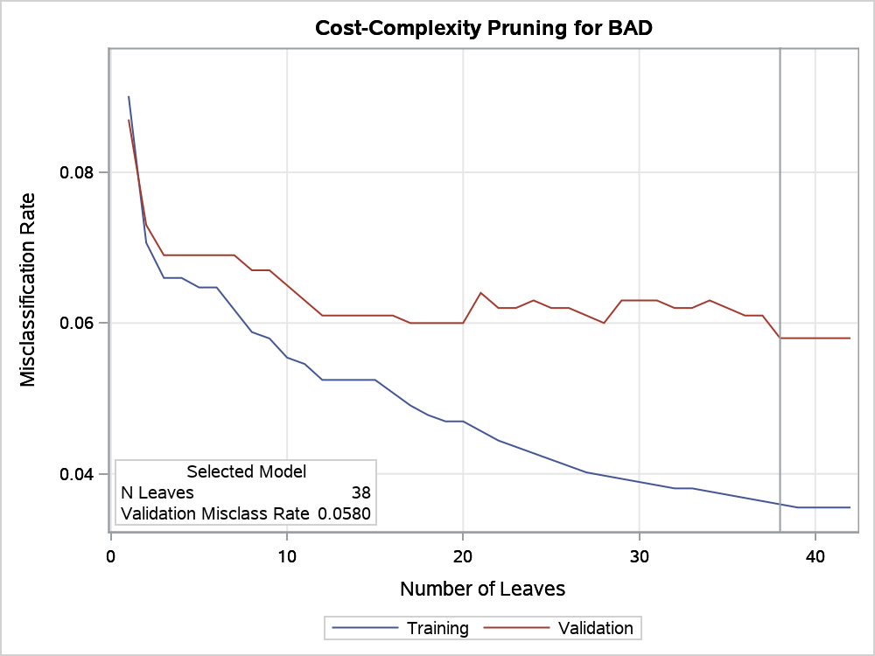
Decision tree with CHAID criterion

The HPSPLIT Procedure

Performance Information
Execution Mode | Single-Machine
Number of Threads | 2

Data Access Information
Data | Engine | Role | Path
WORK.HMEQ | V9 | Input | On Client

Model Information
Split Criterion Used | CHAID
Pruning Method | Cost-Complexity
Subtree Evaluation Criterion | Cost-Complexity
Number of Branches | 2
Maximum Tree Depth Requested | 10
Maximum Tree Depth Achieved | 10
Tree Depth | 10
Number of Leaves Before Pruning | 42
Number of Leaves After Pruning | 38
Model Event Level | 1

Number of Observations Read | 5960
Number of Observations Used | 3364
Number of Training Observations Used | 2364
Number of Validation Observations Used | 1000

Decision tree with CHAID criterion

The HPSPLIT Procedure

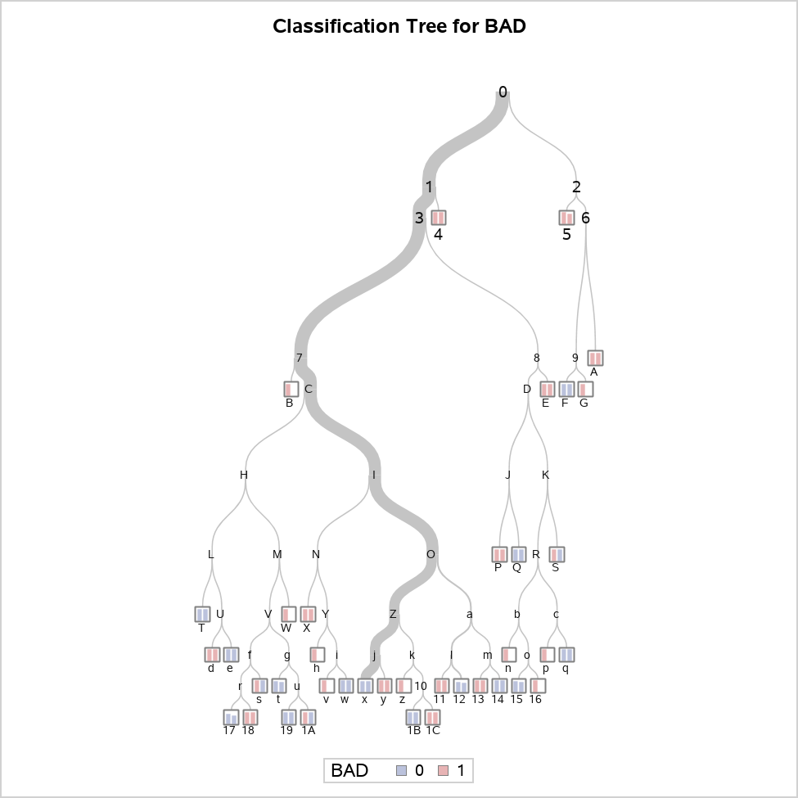



Decision tree with CHAID criterion

The HPSPLIT Procedure

Confusion Matrices
 | Actual | Predicted |  | Error Rate
 |  | 0 | 1
Training | 0 | 2151 | 0 | 0.0000
 | 1 | 85 | 128 | 0.3991
Validation | 0 | 905 | 8 | 0.0088
 | 1 | 50 | 37 | 0.5747

Fit Statistics for Selected Tree
 | N Leaves | ASE | Mis- class | Sensitivity | Specificity | Entropy | Gini | RSS | AUC
Training | 38 | 0.0340 | 0.0360 | 0.6009 | 1.0000 | 0.2117 | 0.0681 | 161.0 | 0.8500
Validation | 38 | 0.0537 | 0.0580 | 0.4253 | 0.9912 | 0.2652 | 0.0930 | 107.5 | 0.7999

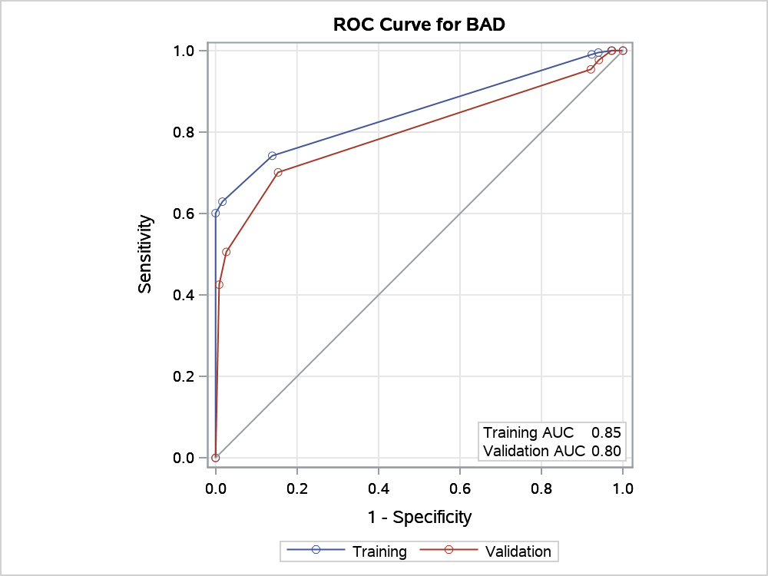

Node Information
ID | Path | Training Data |  |  |  |  | Validation Data
 |  | Count | 0 |  | 1 |  | Count | 0 | 1
4 | Root Node | 2364 | 0.9099 |  | 0.0901 |  | 1000 | 0.9130 | 0.0870
 | DEBTINC < 43.8434 or Missing | 2300 | 0.9313 |  | 0.0687 |  | 974 | 0.9312 | 0.0688
 | DELINQ >= 4.1 | 11 | 0.0000 |  | 1.0000 | * | 4 | 0.0000 | 1.0000
5 | Root Node | 2364 | 0.9099 |  | 0.0901 |  | 1000 | 0.9130 | 0.0870
 | DEBTINC >= 43.8434 | 64 | 0.1406 |  | 0.8594 |  | 26 | 0.2308 | 0.7692
 | CLAGE < 222.359 or Missing | 48 | 0.0000 |  | 1.0000 | * | 20 | 0.1000 | 0.9000
A | Root Node | 2364 | 0.9099 |  | 0.0901 |  | 1000 | 0.9130 | 0.0870
 | DEBTINC >= 43.8434 | 64 | 0.1406 |  | 0.8594 |  | 26 | 0.2308 | 0.7692
 | CLAGE >= 222.359 | 16 | 0.5625 |  | 0.4375 |  | 6 | 0.6667 | 0.3333
 | DEBTINC >= 46.7104 | 5 | 0.0000 |  | 1.0000 | * | 2 | 0.0000 | 1.0000
B | Root Node | 2364 | 0.9099 |  | 0.0901 |  | 1000 | 0.9130 | 0.0870
 | DEBTINC < 43.8434 or Missing | 2300 | 0.9313 |  | 0.0687 |  | 974 | 0.9312 | 0.0688
 | DELINQ < 4.1 or Missing | 2289 | 0.9358 |  | 0.0642 |  | 970 | 0.9351 | 0.0649
 | DEROG < 1.1 or Missing | 2225 | 0.9438 |  | 0.0562 |  | 940 | 0.9394 | 0.0606
 | CLNO < 2.56 | 3 | 0.0000 |  | 1.0000 | * | 0 | . | .
E | Root Node | 2364 | 0.9099 |  | 0.0901 |  | 1000 | 0.9130 | 0.0870
 | DEBTINC < 43.8434 or Missing | 2300 | 0.9313 |  | 0.0687 |  | 974 | 0.9312 | 0.0688
 | DELINQ < 4.1 or Missing | 2289 | 0.9358 |  | 0.0642 |  | 970 | 0.9351 | 0.0649
 | DEROG >= 1.1 | 64 | 0.6563 |  | 0.3438 |  | 30 | 0.8000 | 0.2000
 | CLNO >= 30.08 | 7 | 0.0000 |  | 1.0000 | * | 2 | 0.0000 | 1.0000
F | Root Node | 2364 | 0.9099 |  | 0.0901 |  | 1000 | 0.9130 | 0.0870
 | DEBTINC >= 43.8434 | 64 | 0.1406 |  | 0.8594 |  | 26 | 0.2308 | 0.7692
 | CLAGE >= 222.359 | 16 | 0.5625 |  | 0.4375 |  | 6 | 0.6667 | 0.3333
 | DEBTINC < 46.7104 or Missing | 11 | 0.8182 |  | 0.1818 |  | 4 | 1.0000 | 0.0000
 | JOB = Mgr,Office,Other,Sales,Self or Missing | 9 | 1.0000 | * | 0.0000 |  | 4 | 1.0000 | 0.0000
G | Root Node | 2364 | 0.9099 |  | 0.0901 |  | 1000 | 0.9130 | 0.0870
 | DEBTINC >= 43.8434 | 64 | 0.1406 |  | 0.8594 |  | 26 | 0.2308 | 0.7692
 | CLAGE >= 222.359 | 16 | 0.5625 |  | 0.4375 |  | 6 | 0.6667 | 0.3333
 | DEBTINC < 46.7104 or Missing | 11 | 0.8182 |  | 0.1818 |  | 4 | 1.0000 | 0.0000
 | JOB = ProfEx | 2 | 0.0000 |  | 1.0000 | * | 0 | . | .
P | Root Node | 2364 | 0.9099 |  | 0.0901 |  | 1000 | 0.9130 | 0.0870
 | DEBTINC < 43.8434 or Missing | 2300 | 0.9313 |  | 0.0687 |  | 974 | 0.9312 | 0.0688
 | DELINQ < 4.1 or Missing | 2289 | 0.9358 |  | 0.0642 |  | 970 | 0.9351 | 0.0649
 | DEROG >= 1.1 | 64 | 0.6563 |  | 0.3438 |  | 30 | 0.8000 | 0.2000
 | CLNO < 30.08 or Missing | 57 | 0.7368 |  | 0.2632 |  | 28 | 0.8571 | 0.1429
 | CLNO < 16.64 | 14 | 0.4286 |  | 0.5714 |  | 4 | 0.5000 | 0.5000
 | CLAGE < 234.036 or Missing | 8 | 0.0000 |  | 1.0000 | * | 2 | 0.0000 | 1.0000
Q | Root Node | 2364 | 0.9099 |  | 0.0901 |  | 1000 | 0.9130 | 0.0870
 | DEBTINC < 43.8434 or Missing | 2300 | 0.9313 |  | 0.0687 |  | 974 | 0.9312 | 0.0688
 | DELINQ < 4.1 or Missing | 2289 | 0.9358 |  | 0.0642 |  | 970 | 0.9351 | 0.0649
 | DEROG >= 1.1 | 64 | 0.6563 |  | 0.3438 |  | 30 | 0.8000 | 0.2000
 | CLNO < 30.08 or Missing | 57 | 0.7368 |  | 0.2632 |  | 28 | 0.8571 | 0.1429
 | CLNO < 16.64 | 14 | 0.4286 |  | 0.5714 |  | 4 | 0.5000 | 0.5000
 | CLAGE >= 234.036 | 6 | 1.0000 | * | 0.0000 |  | 2 | 1.0000 | 0.0000
S | Root Node | 2364 | 0.9099 |  | 0.0901 |  | 1000 | 0.9130 | 0.0870
 | DEBTINC < 43.8434 or Missing | 2300 | 0.9313 |  | 0.0687 |  | 974 | 0.9312 | 0.0688
 | DELINQ < 4.1 or Missing | 2289 | 0.9358 |  | 0.0642 |  | 970 | 0.9351 | 0.0649
 | DEROG >= 1.1 | 64 | 0.6563 |  | 0.3438 |  | 30 | 0.8000 | 0.2000
 | CLNO < 30.08 or Missing | 57 | 0.7368 |  | 0.2632 |  | 28 | 0.8571 | 0.1429
 | CLNO >= 16.64 or Missing | 43 | 0.8372 |  | 0.1628 |  | 24 | 0.9167 | 0.0833
 | NINQ >= 4.03 | 2 | 0.0000 |  | 1.0000 | * | 1 | 1.0000 | 0.0000
T | Root Node | 2364 | 0.9099 |  | 0.0901 |  | 1000 | 0.9130 | 0.0870
 | DEBTINC < 43.8434 or Missing | 2300 | 0.9313 |  | 0.0687 |  | 974 | 0.9312 | 0.0688
 | DELINQ < 4.1 or Missing | 2289 | 0.9358 |  | 0.0642 |  | 970 | 0.9351 | 0.0649
 | DEROG < 1.1 or Missing | 2225 | 0.9438 |  | 0.0562 |  | 940 | 0.9394 | 0.0606
 | CLNO >= 2.56 or Missing | 2222 | 0.9451 |  | 0.0549 |  | 940 | 0.9394 | 0.0606
 | VALUE < 50634.4 | 137 | 0.8321 |  | 0.1679 |  | 65 | 0.8154 | 0.1846
 | LOAN < 6110 | 11 | 0.1818 |  | 0.8182 |  | 4 | 0.5000 | 0.5000
 | CLAGE < 23.8416 | 1 | 1.0000 | * | 0.0000 |  | 1 | 1.0000 | 0.0000
W | Root Node | 2364 | 0.9099 |  | 0.0901 |  | 1000 | 0.9130 | 0.0870
 | DEBTINC < 43.8434 or Missing | 2300 | 0.9313 |  | 0.0687 |  | 974 | 0.9312 | 0.0688
 | DELINQ < 4.1 or Missing | 2289 | 0.9358 |  | 0.0642 |  | 970 | 0.9351 | 0.0649
 | DEROG < 1.1 or Missing | 2225 | 0.9438 |  | 0.0562 |  | 940 | 0.9394 | 0.0606
 | CLNO >= 2.56 or Missing | 2222 | 0.9451 |  | 0.0549 |  | 940 | 0.9394 | 0.0606
 | VALUE < 50634.4 | 137 | 0.8321 |  | 0.1679 |  | 65 | 0.8154 | 0.1846
 | LOAN >= 6110 or Missing | 126 | 0.8889 |  | 0.1111 |  | 61 | 0.8361 | 0.1639
 | CLAGE >= 315.778 | 2 | 0.0000 |  | 1.0000 | * | 0 | . | .
X | Root Node | 2364 | 0.9099 |  | 0.0901 |  | 1000 | 0.9130 | 0.0870
 | DEBTINC < 43.8434 or Missing | 2300 | 0.9313 |  | 0.0687 |  | 974 | 0.9312 | 0.0688
 | DELINQ < 4.1 or Missing | 2289 | 0.9358 |  | 0.0642 |  | 970 | 0.9351 | 0.0649
 | DEROG < 1.1 or Missing | 2225 | 0.9438 |  | 0.0562 |  | 940 | 0.9394 | 0.0606
 | CLNO >= 2.56 or Missing | 2222 | 0.9451 |  | 0.0549 |  | 940 | 0.9394 | 0.0606
 | VALUE >= 50634.4 or Missing | 2085 | 0.9525 |  | 0.0475 |  | 875 | 0.9486 | 0.0514
 | CLAGE < 47.1966 | 13 | 0.5385 |  | 0.4615 |  | 6 | 0.6667 | 0.3333
 | DEBTINC < 36.6758 | 3 | 0.0000 |  | 1.0000 | * | 2 | 0.0000 | 1.0000
d | Root Node | 2364 | 0.9099 |  | 0.0901 |  | 1000 | 0.9130 | 0.0870
 | DEBTINC < 43.8434 or Missing | 2300 | 0.9313 |  | 0.0687 |  | 974 | 0.9312 | 0.0688
 | DELINQ < 4.1 or Missing | 2289 | 0.9358 |  | 0.0642 |  | 970 | 0.9351 | 0.0649
 | DEROG < 1.1 or Missing | 2225 | 0.9438 |  | 0.0562 |  | 940 | 0.9394 | 0.0606
 | CLNO >= 2.56 or Missing | 2222 | 0.9451 |  | 0.0549 |  | 940 | 0.9394 | 0.0606
 | VALUE < 50634.4 | 137 | 0.8321 |  | 0.1679 |  | 65 | 0.8154 | 0.1846
 | LOAN < 6110 | 11 | 0.1818 |  | 0.8182 |  | 4 | 0.5000 | 0.5000
 | CLAGE >= 23.8416 or Missing | 10 | 0.1000 |  | 0.9000 |  | 3 | 0.3333 | 0.6667
 | CLAGE < 163.971 or Missing | 9 | 0.0000 |  | 1.0000 | * | 2 | 0.0000 | 1.0000
e | Root Node | 2364 | 0.9099 |  | 0.0901 |  | 1000 | 0.9130 | 0.0870
 | DEBTINC < 43.8434 or Missing | 2300 | 0.9313 |  | 0.0687 |  | 974 | 0.9312 | 0.0688
 | DELINQ < 4.1 or Missing | 2289 | 0.9358 |  | 0.0642 |  | 970 | 0.9351 | 0.0649
 | DEROG < 1.1 or Missing | 2225 | 0.9438 |  | 0.0562 |  | 940 | 0.9394 | 0.0606
 | CLNO >= 2.56 or Missing | 2222 | 0.9451 |  | 0.0549 |  | 940 | 0.9394 | 0.0606
 | VALUE < 50634.4 | 137 | 0.8321 |  | 0.1679 |  | 65 | 0.8154 | 0.1846
 | LOAN < 6110 | 11 | 0.1818 |  | 0.8182 |  | 4 | 0.5000 | 0.5000
 | CLAGE >= 23.8416 or Missing | 10 | 0.1000 |  | 0.9000 |  | 3 | 0.3333 | 0.6667
 | CLAGE >= 163.971 | 1 | 1.0000 | * | 0.0000 |  | 1 | 1.0000 | 0.0000
h | Root Node | 2364 | 0.9099 |  | 0.0901 |  | 1000 | 0.9130 | 0.0870
 | DEBTINC < 43.8434 or Missing | 2300 | 0.9313 |  | 0.0687 |  | 974 | 0.9312 | 0.0688
 | DELINQ < 4.1 or Missing | 2289 | 0.9358 |  | 0.0642 |  | 970 | 0.9351 | 0.0649
 | DEROG < 1.1 or Missing | 2225 | 0.9438 |  | 0.0562 |  | 940 | 0.9394 | 0.0606
 | CLNO >= 2.56 or Missing | 2222 | 0.9451 |  | 0.0549 |  | 940 | 0.9394 | 0.0606
 | VALUE >= 50634.4 or Missing | 2085 | 0.9525 |  | 0.0475 |  | 875 | 0.9486 | 0.0514
 | CLAGE < 47.1966 | 13 | 0.5385 |  | 0.4615 |  | 6 | 0.6667 | 0.3333
 | DEBTINC >= 36.6758 or Missing | 10 | 0.7000 |  | 0.3000 |  | 4 | 1.0000 | 0.0000
 | JOB = Mgr,Office | 2 | 0.0000 |  | 1.0000 | * | 0 | . | .
n | Root Node | 2364 | 0.9099 |  | 0.0901 |  | 1000 | 0.9130 | 0.0870
 | DEBTINC < 43.8434 or Missing | 2300 | 0.9313 |  | 0.0687 |  | 974 | 0.9312 | 0.0688
 | DELINQ < 4.1 or Missing | 2289 | 0.9358 |  | 0.0642 |  | 970 | 0.9351 | 0.0649
 | DEROG >= 1.1 | 64 | 0.6563 |  | 0.3438 |  | 30 | 0.8000 | 0.2000
 | CLNO < 30.08 or Missing | 57 | 0.7368 |  | 0.2632 |  | 28 | 0.8571 | 0.1429
 | CLNO >= 16.64 or Missing | 43 | 0.8372 |  | 0.1628 |  | 24 | 0.9167 | 0.0833
 | NINQ < 4.03 or Missing | 41 | 0.8780 |  | 0.1220 |  | 23 | 0.9130 | 0.0870
 | JOB = Mgr,Office,Other,ProfEx or Missing | 38 | 0.9211 |  | 0.0789 |  | 20 | 0.9000 | 0.1000
 | LOAN < 6992 | 1 | 0.0000 |  | 1.0000 | * | 0 | . | .
p | Root Node | 2364 | 0.9099 |  | 0.0901 |  | 1000 | 0.9130 | 0.0870
 | DEBTINC < 43.8434 or Missing | 2300 | 0.9313 |  | 0.0687 |  | 974 | 0.9312 | 0.0688
 | DELINQ < 4.1 or Missing | 2289 | 0.9358 |  | 0.0642 |  | 970 | 0.9351 | 0.0649
 | DEROG >= 1.1 | 64 | 0.6563 |  | 0.3438 |  | 30 | 0.8000 | 0.2000
 | CLNO < 30.08 or Missing | 57 | 0.7368 |  | 0.2632 |  | 28 | 0.8571 | 0.1429
 | CLNO >= 16.64 or Missing | 43 | 0.8372 |  | 0.1628 |  | 24 | 0.9167 | 0.0833
 | NINQ < 4.03 or Missing | 41 | 0.8780 |  | 0.1220 |  | 23 | 0.9130 | 0.0870
 | JOB = Sales,Self | 3 | 0.3333 |  | 0.6667 |  | 3 | 1.0000 | 0.0000
 | CLAGE < 140.616 or Missing | 2 | 0.0000 |  | 1.0000 | * | 0 | . | .
q | Root Node | 2364 | 0.9099 |  | 0.0901 |  | 1000 | 0.9130 | 0.0870
 | DEBTINC < 43.8434 or Missing | 2300 | 0.9313 |  | 0.0687 |  | 974 | 0.9312 | 0.0688
 | DELINQ < 4.1 or Missing | 2289 | 0.9358 |  | 0.0642 |  | 970 | 0.9351 | 0.0649
 | DEROG >= 1.1 | 64 | 0.6563 |  | 0.3438 |  | 30 | 0.8000 | 0.2000
 | CLNO < 30.08 or Missing | 57 | 0.7368 |  | 0.2632 |  | 28 | 0.8571 | 0.1429
 | CLNO >= 16.64 or Missing | 43 | 0.8372 |  | 0.1628 |  | 24 | 0.9167 | 0.0833
 | NINQ < 4.03 or Missing | 41 | 0.8780 |  | 0.1220 |  | 23 | 0.9130 | 0.0870
 | JOB = Sales,Self | 3 | 0.3333 |  | 0.6667 |  | 3 | 1.0000 | 0.0000
 | CLAGE >= 140.616 | 1 | 1.0000 | * | 0.0000 |  | 3 | 1.0000 | 0.0000
s | Root Node | 2364 | 0.9099 |  | 0.0901 |  | 1000 | 0.9130 | 0.0870
 | DEBTINC < 43.8434 or Missing | 2300 | 0.9313 |  | 0.0687 |  | 974 | 0.9312 | 0.0688
 | DELINQ < 4.1 or Missing | 2289 | 0.9358 |  | 0.0642 |  | 970 | 0.9351 | 0.0649
 | DEROG < 1.1 or Missing | 2225 | 0.9438 |  | 0.0562 |  | 940 | 0.9394 | 0.0606
 | CLNO >= 2.56 or Missing | 2222 | 0.9451 |  | 0.0549 |  | 940 | 0.9394 | 0.0606
 | VALUE < 50634.4 | 137 | 0.8321 |  | 0.1679 |  | 65 | 0.8154 | 0.1846
 | LOAN >= 6110 or Missing | 126 | 0.8889 |  | 0.1111 |  | 61 | 0.8361 | 0.1639
 | CLAGE < 315.778 or Missing | 124 | 0.9032 |  | 0.0968 |  | 61 | 0.8361 | 0.1639
 | LOAN < 13166 | 46 | 0.7826 |  | 0.2174 |  | 28 | 0.7143 | 0.2857
 | JOB = ProfEx,Self | 3 | 0.0000 |  | 1.0000 | * | 4 | 1.0000 | 0.0000
t | Root Node | 2364 | 0.9099 |  | 0.0901 |  | 1000 | 0.9130 | 0.0870
 | DEBTINC < 43.8434 or Missing | 2300 | 0.9313 |  | 0.0687 |  | 974 | 0.9312 | 0.0688
 | DELINQ < 4.1 or Missing | 2289 | 0.9358 |  | 0.0642 |  | 970 | 0.9351 | 0.0649
 | DEROG < 1.1 or Missing | 2225 | 0.9438 |  | 0.0562 |  | 940 | 0.9394 | 0.0606
 | CLNO >= 2.56 or Missing | 2222 | 0.9451 |  | 0.0549 |  | 940 | 0.9394 | 0.0606
 | VALUE < 50634.4 | 137 | 0.8321 |  | 0.1679 |  | 65 | 0.8154 | 0.1846
 | LOAN >= 6110 or Missing | 126 | 0.8889 |  | 0.1111 |  | 61 | 0.8361 | 0.1639
 | CLAGE < 315.778 or Missing | 124 | 0.9032 |  | 0.0968 |  | 61 | 0.8361 | 0.1639
 | LOAN >= 13166 or Missing | 78 | 0.9744 |  | 0.0256 |  | 33 | 0.9394 | 0.0606
 | DEROG < 0.1 or Missing | 73 | 0.9863 | * | 0.0137 |  | 30 | 0.9333 | 0.0667
v | Root Node | 2364 | 0.9099 |  | 0.0901 |  | 1000 | 0.9130 | 0.0870
 | DEBTINC < 43.8434 or Missing | 2300 | 0.9313 |  | 0.0687 |  | 974 | 0.9312 | 0.0688
 | DELINQ < 4.1 or Missing | 2289 | 0.9358 |  | 0.0642 |  | 970 | 0.9351 | 0.0649
 | DEROG < 1.1 or Missing | 2225 | 0.9438 |  | 0.0562 |  | 940 | 0.9394 | 0.0606
 | CLNO >= 2.56 or Missing | 2222 | 0.9451 |  | 0.0549 |  | 940 | 0.9394 | 0.0606
 | VALUE >= 50634.4 or Missing | 2085 | 0.9525 |  | 0.0475 |  | 875 | 0.9486 | 0.0514
 | CLAGE < 47.1966 | 13 | 0.5385 |  | 0.4615 |  | 6 | 0.6667 | 0.3333
 | DEBTINC >= 36.6758 or Missing | 10 | 0.7000 |  | 0.3000 |  | 4 | 1.0000 | 0.0000
 | JOB = Other,ProfEx,Sales,Self or Missing | 8 | 0.8750 |  | 0.1250 |  | 4 | 1.0000 | 0.0000
 | MORTDUE < 24792.8 | 1 | 0.0000 |  | 1.0000 | * | 0 | . | .
w | Root Node | 2364 | 0.9099 |  | 0.0901 |  | 1000 | 0.9130 | 0.0870
 | DEBTINC < 43.8434 or Missing | 2300 | 0.9313 |  | 0.0687 |  | 974 | 0.9312 | 0.0688
 | DELINQ < 4.1 or Missing | 2289 | 0.9358 |  | 0.0642 |  | 970 | 0.9351 | 0.0649
 | DEROG < 1.1 or Missing | 2225 | 0.9438 |  | 0.0562 |  | 940 | 0.9394 | 0.0606
 | CLNO >= 2.56 or Missing | 2222 | 0.9451 |  | 0.0549 |  | 940 | 0.9394 | 0.0606
 | VALUE >= 50634.4 or Missing | 2085 | 0.9525 |  | 0.0475 |  | 875 | 0.9486 | 0.0514
 | CLAGE < 47.1966 | 13 | 0.5385 |  | 0.4615 |  | 6 | 0.6667 | 0.3333
 | DEBTINC >= 36.6758 or Missing | 10 | 0.7000 |  | 0.3000 |  | 4 | 1.0000 | 0.0000
 | JOB = Other,ProfEx,Sales,Self or Missing | 8 | 0.8750 |  | 0.1250 |  | 4 | 1.0000 | 0.0000
 | MORTDUE >= 24792.8 or Missing | 7 | 1.0000 | * | 0.0000 |  | 4 | 1.0000 | 0.0000
x | Root Node | 2364 | 0.9099 |  | 0.0901 |  | 1000 | 0.9130 | 0.0870
 | DEBTINC < 43.8434 or Missing | 2300 | 0.9313 |  | 0.0687 |  | 974 | 0.9312 | 0.0688
 | DELINQ < 4.1 or Missing | 2289 | 0.9358 |  | 0.0642 |  | 970 | 0.9351 | 0.0649
 | DEROG < 1.1 or Missing | 2225 | 0.9438 |  | 0.0562 |  | 940 | 0.9394 | 0.0606
 | CLNO >= 2.56 or Missing | 2222 | 0.9451 |  | 0.0549 |  | 940 | 0.9394 | 0.0606
 | VALUE >= 50634.4 or Missing | 2085 | 0.9525 |  | 0.0475 |  | 875 | 0.9486 | 0.0514
 | CLAGE >= 47.1966 or Missing | 2072 | 0.9551 |  | 0.0449 |  | 869 | 0.9505 | 0.0495
 | DELINQ < 0.1 or Missing | 1776 | 0.9651 |  | 0.0349 |  | 733 | 0.9673 | 0.0327
 | JOB = Mgr,Office,Other,ProfEx,Self or Missing | 1741 | 0.9690 |  | 0.0310 |  | 724 | 0.9682 | 0.0318
 | MORTDUE < 371808 or Missing | 1740 | 0.9695 | * | 0.0305 |  | 723 | 0.9696 | 0.0304
y | Root Node | 2364 | 0.9099 |  | 0.0901 |  | 1000 | 0.9130 | 0.0870
 | DEBTINC < 43.8434 or Missing | 2300 | 0.9313 |  | 0.0687 |  | 974 | 0.9312 | 0.0688
 | DELINQ < 4.1 or Missing | 2289 | 0.9358 |  | 0.0642 |  | 970 | 0.9351 | 0.0649
 | DEROG < 1.1 or Missing | 2225 | 0.9438 |  | 0.0562 |  | 940 | 0.9394 | 0.0606
 | CLNO >= 2.56 or Missing | 2222 | 0.9451 |  | 0.0549 |  | 940 | 0.9394 | 0.0606
 | VALUE >= 50634.4 or Missing | 2085 | 0.9525 |  | 0.0475 |  | 875 | 0.9486 | 0.0514
 | CLAGE >= 47.1966 or Missing | 2072 | 0.9551 |  | 0.0449 |  | 869 | 0.9505 | 0.0495
 | DELINQ < 0.1 or Missing | 1776 | 0.9651 |  | 0.0349 |  | 733 | 0.9673 | 0.0327
 | JOB = Mgr,Office,Other,ProfEx,Self or Missing | 1741 | 0.9690 |  | 0.0310 |  | 724 | 0.9682 | 0.0318
 | MORTDUE >= 371808 | 1 | 0.0000 |  | 1.0000 | * | 1 | 0.0000 | 1.0000
z | Root Node | 2364 | 0.9099 |  | 0.0901 |  | 1000 | 0.9130 | 0.0870
 | DEBTINC < 43.8434 or Missing | 2300 | 0.9313 |  | 0.0687 |  | 974 | 0.9312 | 0.0688
 | DELINQ < 4.1 or Missing | 2289 | 0.9358 |  | 0.0642 |  | 970 | 0.9351 | 0.0649
 | DEROG < 1.1 or Missing | 2225 | 0.9438 |  | 0.0562 |  | 940 | 0.9394 | 0.0606
 | CLNO >= 2.56 or Missing | 2222 | 0.9451 |  | 0.0549 |  | 940 | 0.9394 | 0.0606
 | VALUE >= 50634.4 or Missing | 2085 | 0.9525 |  | 0.0475 |  | 875 | 0.9486 | 0.0514
 | CLAGE >= 47.1966 or Missing | 2072 | 0.9551 |  | 0.0449 |  | 869 | 0.9505 | 0.0495
 | DELINQ < 0.1 or Missing | 1776 | 0.9651 |  | 0.0349 |  | 733 | 0.9673 | 0.0327
 | JOB = Sales | 35 | 0.7714 |  | 0.2286 |  | 9 | 0.8889 | 0.1111
 | CLAGE < 105.584 | 4 | 0.0000 |  | 1.0000 | * | 0 | . | .
11 | Root Node | 2364 | 0.9099 |  | 0.0901 |  | 1000 | 0.9130 | 0.0870
 | DEBTINC < 43.8434 or Missing | 2300 | 0.9313 |  | 0.0687 |  | 974 | 0.9312 | 0.0688
 | DELINQ < 4.1 or Missing | 2289 | 0.9358 |  | 0.0642 |  | 970 | 0.9351 | 0.0649
 | DEROG < 1.1 or Missing | 2225 | 0.9438 |  | 0.0562 |  | 940 | 0.9394 | 0.0606
 | CLNO >= 2.56 or Missing | 2222 | 0.9451 |  | 0.0549 |  | 940 | 0.9394 | 0.0606
 | VALUE >= 50634.4 or Missing | 2085 | 0.9525 |  | 0.0475 |  | 875 | 0.9486 | 0.0514
 | CLAGE >= 47.1966 or Missing | 2072 | 0.9551 |  | 0.0449 |  | 869 | 0.9505 | 0.0495
 | DELINQ >= 0.1 | 296 | 0.8953 |  | 0.1047 |  | 136 | 0.8603 | 0.1397
 | NINQ < 3.12 or Missing | 289 | 0.9100 |  | 0.0900 |  | 134 | 0.8657 | 0.1343
 | DEBTINC < 8.00566 | 2 | 0.0000 |  | 1.0000 | * | 1 | 0.0000 | 1.0000
12 | Root Node | 2364 | 0.9099 |  | 0.0901 |  | 1000 | 0.9130 | 0.0870
 | DEBTINC < 43.8434 or Missing | 2300 | 0.9313 |  | 0.0687 |  | 974 | 0.9312 | 0.0688
 | DELINQ < 4.1 or Missing | 2289 | 0.9358 |  | 0.0642 |  | 970 | 0.9351 | 0.0649
 | DEROG < 1.1 or Missing | 2225 | 0.9438 |  | 0.0562 |  | 940 | 0.9394 | 0.0606
 | CLNO >= 2.56 or Missing | 2222 | 0.9451 |  | 0.0549 |  | 940 | 0.9394 | 0.0606
 | VALUE >= 50634.4 or Missing | 2085 | 0.9525 |  | 0.0475 |  | 875 | 0.9486 | 0.0514
 | CLAGE >= 47.1966 or Missing | 2072 | 0.9551 |  | 0.0449 |  | 869 | 0.9505 | 0.0495
 | DELINQ >= 0.1 | 296 | 0.8953 |  | 0.1047 |  | 136 | 0.8603 | 0.1397
 | NINQ < 3.12 or Missing | 289 | 0.9100 |  | 0.0900 |  | 134 | 0.8657 | 0.1343
 | DEBTINC >= 8.00566 or Missing | 287 | 0.9164 | * | 0.0836 |  | 133 | 0.8722 | 0.1278
13 | Root Node | 2364 | 0.9099 |  | 0.0901 |  | 1000 | 0.9130 | 0.0870
 | DEBTINC < 43.8434 or Missing | 2300 | 0.9313 |  | 0.0687 |  | 974 | 0.9312 | 0.0688
 | DELINQ < 4.1 or Missing | 2289 | 0.9358 |  | 0.0642 |  | 970 | 0.9351 | 0.0649
 | DEROG < 1.1 or Missing | 2225 | 0.9438 |  | 0.0562 |  | 940 | 0.9394 | 0.0606
 | CLNO >= 2.56 or Missing | 2222 | 0.9451 |  | 0.0549 |  | 940 | 0.9394 | 0.0606
 | VALUE >= 50634.4 or Missing | 2085 | 0.9525 |  | 0.0475 |  | 875 | 0.9486 | 0.0514
 | CLAGE >= 47.1966 or Missing | 2072 | 0.9551 |  | 0.0449 |  | 869 | 0.9505 | 0.0495
 | DELINQ >= 0.1 | 296 | 0.8953 |  | 0.1047 |  | 136 | 0.8603 | 0.1397
 | NINQ >= 3.12 | 7 | 0.2857 |  | 0.7143 |  | 2 | 0.5000 | 0.5000
 | LOAN < 21986 or Missing | 5 | 0.0000 |  | 1.0000 | * | 1 | 0.0000 | 1.0000
14 | Root Node | 2364 | 0.9099 |  | 0.0901 |  | 1000 | 0.9130 | 0.0870
 | DEBTINC < 43.8434 or Missing | 2300 | 0.9313 |  | 0.0687 |  | 974 | 0.9312 | 0.0688
 | DELINQ < 4.1 or Missing | 2289 | 0.9358 |  | 0.0642 |  | 970 | 0.9351 | 0.0649
 | DEROG < 1.1 or Missing | 2225 | 0.9438 |  | 0.0562 |  | 940 | 0.9394 | 0.0606
 | CLNO >= 2.56 or Missing | 2222 | 0.9451 |  | 0.0549 |  | 940 | 0.9394 | 0.0606
 | VALUE >= 50634.4 or Missing | 2085 | 0.9525 |  | 0.0475 |  | 875 | 0.9486 | 0.0514
 | CLAGE >= 47.1966 or Missing | 2072 | 0.9551 |  | 0.0449 |  | 869 | 0.9505 | 0.0495
 | DELINQ >= 0.1 | 296 | 0.8953 |  | 0.1047 |  | 136 | 0.8603 | 0.1397
 | NINQ >= 3.12 | 7 | 0.2857 |  | 0.7143 |  | 2 | 0.5000 | 0.5000
 | LOAN >= 21986 | 2 | 1.0000 | * | 0.0000 |  | 1 | 1.0000 | 0.0000
15 | Root Node | 2364 | 0.9099 |  | 0.0901 |  | 1000 | 0.9130 | 0.0870
 | DEBTINC < 43.8434 or Missing | 2300 | 0.9313 |  | 0.0687 |  | 974 | 0.9312 | 0.0688
 | DELINQ < 4.1 or Missing | 2289 | 0.9358 |  | 0.0642 |  | 970 | 0.9351 | 0.0649
 | DEROG >= 1.1 | 64 | 0.6563 |  | 0.3438 |  | 30 | 0.8000 | 0.2000
 | CLNO < 30.08 or Missing | 57 | 0.7368 |  | 0.2632 |  | 28 | 0.8571 | 0.1429
 | CLNO >= 16.64 or Missing | 43 | 0.8372 |  | 0.1628 |  | 24 | 0.9167 | 0.0833
 | NINQ < 4.03 or Missing | 41 | 0.8780 |  | 0.1220 |  | 23 | 0.9130 | 0.0870
 | JOB = Mgr,Office,Other,ProfEx or Missing | 38 | 0.9211 |  | 0.0789 |  | 20 | 0.9000 | 0.1000
 | LOAN >= 6992 or Missing | 37 | 0.9459 |  | 0.0541 |  | 20 | 0.9000 | 0.1000
 | MORTDUE < 111547 or Missing | 36 | 0.9722 | * | 0.0278 |  | 20 | 0.9000 | 0.1000
16 | Root Node | 2364 | 0.9099 |  | 0.0901 |  | 1000 | 0.9130 | 0.0870
 | DEBTINC < 43.8434 or Missing | 2300 | 0.9313 |  | 0.0687 |  | 974 | 0.9312 | 0.0688
 | DELINQ < 4.1 or Missing | 2289 | 0.9358 |  | 0.0642 |  | 970 | 0.9351 | 0.0649
 | DEROG >= 1.1 | 64 | 0.6563 |  | 0.3438 |  | 30 | 0.8000 | 0.2000
 | CLNO < 30.08 or Missing | 57 | 0.7368 |  | 0.2632 |  | 28 | 0.8571 | 0.1429
 | CLNO >= 16.64 or Missing | 43 | 0.8372 |  | 0.1628 |  | 24 | 0.9167 | 0.0833
 | NINQ < 4.03 or Missing | 41 | 0.8780 |  | 0.1220 |  | 23 | 0.9130 | 0.0870
 | JOB = Mgr,Office,Other,ProfEx or Missing | 38 | 0.9211 |  | 0.0789 |  | 20 | 0.9000 | 0.1000
 | LOAN >= 6992 or Missing | 37 | 0.9459 |  | 0.0541 |  | 20 | 0.9000 | 0.1000
 | MORTDUE >= 111547 | 1 | 0.0000 |  | 1.0000 | * | 0 | . | .
17 | Root Node | 2364 | 0.9099 |  | 0.0901 |  | 1000 | 0.9130 | 0.0870
 | DEBTINC < 43.8434 or Missing | 2300 | 0.9313 |  | 0.0687 |  | 974 | 0.9312 | 0.0688
 | DELINQ < 4.1 or Missing | 2289 | 0.9358 |  | 0.0642 |  | 970 | 0.9351 | 0.0649
 | DEROG < 1.1 or Missing | 2225 | 0.9438 |  | 0.0562 |  | 940 | 0.9394 | 0.0606
 | CLNO >= 2.56 or Missing | 2222 | 0.9451 |  | 0.0549 |  | 940 | 0.9394 | 0.0606
 | VALUE < 50634.4 | 137 | 0.8321 |  | 0.1679 |  | 65 | 0.8154 | 0.1846
 | LOAN >= 6110 or Missing | 126 | 0.8889 |  | 0.1111 |  | 61 | 0.8361 | 0.1639
 | CLAGE < 315.778 or Missing | 124 | 0.9032 |  | 0.0968 |  | 61 | 0.8361 | 0.1639
 | LOAN < 13166 | 46 | 0.7826 |  | 0.2174 |  | 28 | 0.7143 | 0.2857
 | JOB = Mgr,Office,Other,Sales or Missing | 43 | 0.8372 |  | 0.1628 |  | 24 | 0.6667 | 0.3333
 | DELINQ < 1.1 or Missing | 42 | 0.8571 | * | 0.1429 |  | 23 | 0.6957 | 0.3043
18 | Root Node | 2364 | 0.9099 |  | 0.0901 |  | 1000 | 0.9130 | 0.0870
 | DEBTINC < 43.8434 or Missing | 2300 | 0.9313 |  | 0.0687 |  | 974 | 0.9312 | 0.0688
 | DELINQ < 4.1 or Missing | 2289 | 0.9358 |  | 0.0642 |  | 970 | 0.9351 | 0.0649
 | DEROG < 1.1 or Missing | 2225 | 0.9438 |  | 0.0562 |  | 940 | 0.9394 | 0.0606
 | CLNO >= 2.56 or Missing | 2222 | 0.9451 |  | 0.0549 |  | 940 | 0.9394 | 0.0606
 | VALUE < 50634.4 | 137 | 0.8321 |  | 0.1679 |  | 65 | 0.8154 | 0.1846
 | LOAN >= 6110 or Missing | 126 | 0.8889 |  | 0.1111 |  | 61 | 0.8361 | 0.1639
 | CLAGE < 315.778 or Missing | 124 | 0.9032 |  | 0.0968 |  | 61 | 0.8361 | 0.1639
 | LOAN < 13166 | 46 | 0.7826 |  | 0.2174 |  | 28 | 0.7143 | 0.2857
 | JOB = Mgr,Office,Other,Sales or Missing | 43 | 0.8372 |  | 0.1628 |  | 24 | 0.6667 | 0.3333
 | DELINQ >= 1.1 | 1 | 0.0000 |  | 1.0000 | * | 1 | 0.0000 | 1.0000
19 | Root Node | 2364 | 0.9099 |  | 0.0901 |  | 1000 | 0.9130 | 0.0870
 | DEBTINC < 43.8434 or Missing | 2300 | 0.9313 |  | 0.0687 |  | 974 | 0.9312 | 0.0688
 | DELINQ < 4.1 or Missing | 2289 | 0.9358 |  | 0.0642 |  | 970 | 0.9351 | 0.0649
 | DEROG < 1.1 or Missing | 2225 | 0.9438 |  | 0.0562 |  | 940 | 0.9394 | 0.0606
 | CLNO >= 2.56 or Missing | 2222 | 0.9451 |  | 0.0549 |  | 940 | 0.9394 | 0.0606
 | VALUE < 50634.4 | 137 | 0.8321 |  | 0.1679 |  | 65 | 0.8154 | 0.1846
 | LOAN >= 6110 or Missing | 126 | 0.8889 |  | 0.1111 |  | 61 | 0.8361 | 0.1639
 | CLAGE < 315.778 or Missing | 124 | 0.9032 |  | 0.0968 |  | 61 | 0.8361 | 0.1639
 | LOAN >= 13166 or Missing | 78 | 0.9744 |  | 0.0256 |  | 33 | 0.9394 | 0.0606
 | DEROG >= 0.1 | 5 | 0.8000 |  | 0.2000 |  | 3 | 1.0000 | 0.0000
 | DEBTINC < 33.8088 or Missing | 4 | 1.0000 | * | 0.0000 |  | 2 | 1.0000 | 0.0000
1A | Root Node | 2364 | 0.9099 |  | 0.0901 |  | 1000 | 0.9130 | 0.0870
 | DEBTINC < 43.8434 or Missing | 2300 | 0.9313 |  | 0.0687 |  | 974 | 0.9312 | 0.0688
 | DELINQ < 4.1 or Missing | 2289 | 0.9358 |  | 0.0642 |  | 970 | 0.9351 | 0.0649
 | DEROG < 1.1 or Missing | 2225 | 0.9438 |  | 0.0562 |  | 940 | 0.9394 | 0.0606
 | CLNO >= 2.56 or Missing | 2222 | 0.9451 |  | 0.0549 |  | 940 | 0.9394 | 0.0606
 | VALUE < 50634.4 | 137 | 0.8321 |  | 0.1679 |  | 65 | 0.8154 | 0.1846
 | LOAN >= 6110 or Missing | 126 | 0.8889 |  | 0.1111 |  | 61 | 0.8361 | 0.1639
 | CLAGE < 315.778 or Missing | 124 | 0.9032 |  | 0.0968 |  | 61 | 0.8361 | 0.1639
 | LOAN >= 13166 or Missing | 78 | 0.9744 |  | 0.0256 |  | 33 | 0.9394 | 0.0606
 | DEROG >= 0.1 | 5 | 0.8000 |  | 0.2000 |  | 3 | 1.0000 | 0.0000
 | DEBTINC >= 33.8088 | 1 | 0.0000 |  | 1.0000 | * | 1 | 1.0000 | 0.0000
1B | Root Node | 2364 | 0.9099 |  | 0.0901 |  | 1000 | 0.9130 | 0.0870
 | DEBTINC < 43.8434 or Missing | 2300 | 0.9313 |  | 0.0687 |  | 974 | 0.9312 | 0.0688
 | DELINQ < 4.1 or Missing | 2289 | 0.9358 |  | 0.0642 |  | 970 | 0.9351 | 0.0649
 | DEROG < 1.1 or Missing | 2225 | 0.9438 |  | 0.0562 |  | 940 | 0.9394 | 0.0606
 | CLNO >= 2.56 or Missing | 2222 | 0.9451 |  | 0.0549 |  | 940 | 0.9394 | 0.0606
 | VALUE >= 50634.4 or Missing | 2085 | 0.9525 |  | 0.0475 |  | 875 | 0.9486 | 0.0514
 | CLAGE >= 47.1966 or Missing | 2072 | 0.9551 |  | 0.0449 |  | 869 | 0.9505 | 0.0495
 | DELINQ < 0.1 or Missing | 1776 | 0.9651 |  | 0.0349 |  | 733 | 0.9673 | 0.0327
 | JOB = Sales | 35 | 0.7714 |  | 0.2286 |  | 9 | 0.8889 | 0.1111
 | CLAGE >= 105.584 or Missing | 31 | 0.8710 |  | 0.1290 |  | 9 | 0.8889 | 0.1111
 | CLNO < 35.2 or Missing | 27 | 1.0000 | * | 0.0000 |  | 8 | 1.0000 | 0.0000
1C | Root Node | 2364 | 0.9099 |  | 0.0901 |  | 1000 | 0.9130 | 0.0870
 | DEBTINC < 43.8434 or Missing | 2300 | 0.9313 |  | 0.0687 |  | 974 | 0.9312 | 0.0688
 | DELINQ < 4.1 or Missing | 2289 | 0.9358 |  | 0.0642 |  | 970 | 0.9351 | 0.0649
 | DEROG < 1.1 or Missing | 2225 | 0.9438 |  | 0.0562 |  | 940 | 0.9394 | 0.0606
 | CLNO >= 2.56 or Missing | 2222 | 0.9451 |  | 0.0549 |  | 940 | 0.9394 | 0.0606
 | VALUE >= 50634.4 or Missing | 2085 | 0.9525 |  | 0.0475 |  | 875 | 0.9486 | 0.0514
 | CLAGE >= 47.1966 or Missing | 2072 | 0.9551 |  | 0.0449 |  | 869 | 0.9505 | 0.0495
 | DELINQ < 0.1 or Missing | 1776 | 0.9651 |  | 0.0349 |  | 733 | 0.9673 | 0.0327
 | JOB = Sales | 35 | 0.7714 |  | 0.2286 |  | 9 | 0.8889 | 0.1111
 | CLAGE >= 105.584 or Missing | 31 | 0.8710 |  | 0.1290 |  | 9 | 0.8889 | 0.1111
 | CLNO >= 35.2 | 4 | 0.0000 |  | 1.0000 | * | 1 | 0.0000 | 1.0000
* Selected target level

Variable Importance
Variable | Training |  | Validation |  | Relative Ratio | Count
 | Relative | Importance | Relative | Importance
DEBTINC | 1.0000 | 9.4687 | 1.0000 | 5.5353 | 1.0000 | 5
CLAGE | 0.5986 | 5.6682 | 0.6092 | 3.3719 | 1.0176 | 8
DELINQ | 0.5074 | 4.8043 | 0.5829 | 3.2266 | 1.1488 | 3
CLNO | 0.5023 | 4.7557 | 0.4646 | 2.5716 | 0.9250 | 4
LOAN | 0.4334 | 4.1041 | 0.3091 | 1.7109 | 0.7131 | 4
VALUE | 0.2039 | 1.9306 | 0.2646 | 1.4645 | 1.2976 | 1
MORTDUE | 0.2470 | 2.3384 | 0.2557 | 1.4154 | 1.0354 | 3
JOB | 0.3987 | 3.7753 | 0.1675 | 0.9271 | 0.4201 | 5
NINQ | 0.3037 | 2.8755 | 0.0696 | 0.3855 | 0.2293 | 2
DEROG | 0.3441 | 3.2579 | 0.0000 | 0 | 0.0000 | 2

Proc 7 - HPSplit
Decision tree with CHISQUARE criterion

The HPSPLIT Procedure

Performance Information
Execution Mode | Single-Machine
Number of Threads | 2

Data Access Information
Data | Engine | Role | Path
WORK.HMEQ | V9 | Input | On Client

Model Information
Split Criterion Used | Chi-Square
Pruning Method | Cost-Complexity
Subtree Evaluation Criterion | Cost-Complexity
Number of Branches | 2
Maximum Tree Depth Requested | 10
Maximum Tree Depth Achieved | 10
Tree Depth | 10
Number of Leaves Before Pruning | 42
Number of Leaves After Pruning | 38
Model Event Level | 1

Number of Observations Read | 5960
Number of Observations Used | 3364
Number of Training Observations Used | 2364
Number of Validation Observations Used | 1000

Decision tree with CHISQUARE criterion

The HPSPLIT Procedure

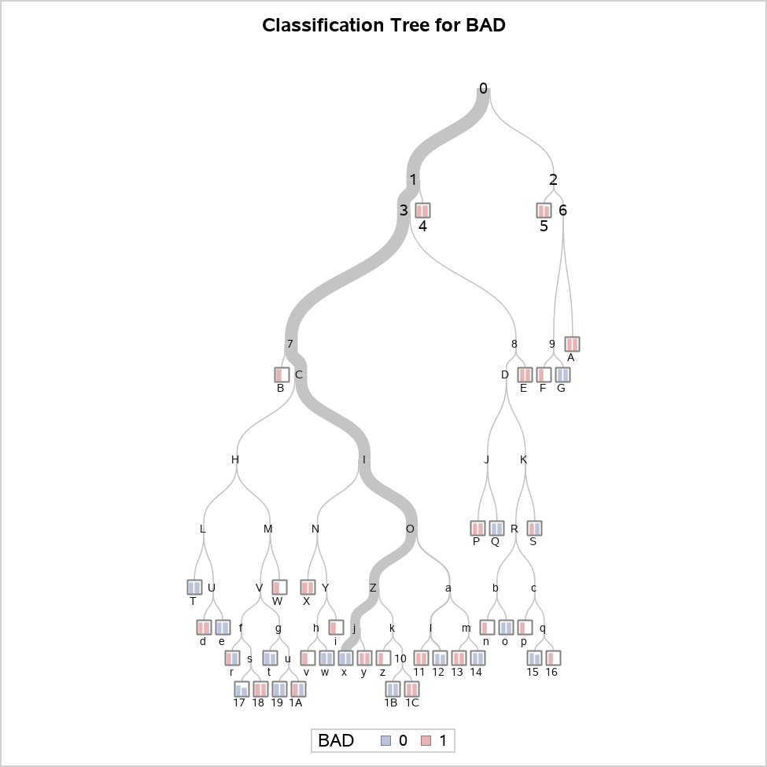



Decision tree with CHISQUARE criterion

The HPSPLIT Procedure

Confusion Matrices
 | Actual | Predicted |  | Error Rate
 |  | 0 | 1
Training | 0 | 2151 | 0 | 0.0000
 | 1 | 85 | 128 | 0.3991
Validation | 0 | 905 | 8 | 0.0088
 | 1 | 50 | 37 | 0.5747

Fit Statistics for Selected Tree
 | N Leaves | ASE | Mis- class | Sensitivity | Specificity | Entropy | Gini | RSS | AUC
Training | 38 | 0.0340 | 0.0360 | 0.6009 | 1.0000 | 0.2117 | 0.0681 | 161.0 | 0.8500
Validation | 38 | 0.0537 | 0.0580 | 0.4253 | 0.9912 | 0.2652 | 0.0930 | 107.5 | 0.7999

Node Information
ID | Path | Training Data |  |  |  |  | Validation Data
 |  | Count | 0 |  | 1 |  | Count | 0 | 1
4 | Root Node | 2364 | 0.9099 |  | 0.0901 |  | 1000 | 0.9130 | 0.0870
 | DEBTINC < 43.8434 or Missing | 2300 | 0.9313 |  | 0.0687 |  | 974 | 0.9312 | 0.0688
 | DELINQ >= 4.1 | 11 | 0.0000 |  | 1.0000 | * | 4 | 0.0000 | 1.0000
5 | Root Node | 2364 | 0.9099 |  | 0.0901 |  | 1000 | 0.9130 | 0.0870
 | DEBTINC >= 43.8434 | 64 | 0.1406 |  | 0.8594 |  | 26 | 0.2308 | 0.7692
 | CLAGE < 222.359 or Missing | 48 | 0.0000 |  | 1.0000 | * | 20 | 0.1000 | 0.9000
A | Root Node | 2364 | 0.9099 |  | 0.0901 |  | 1000 | 0.9130 | 0.0870
 | DEBTINC >= 43.8434 | 64 | 0.1406 |  | 0.8594 |  | 26 | 0.2308 | 0.7692
 | CLAGE >= 222.359 | 16 | 0.5625 |  | 0.4375 |  | 6 | 0.6667 | 0.3333
 | DEBTINC >= 46.7104 | 5 | 0.0000 |  | 1.0000 | * | 2 | 0.0000 | 1.0000
B | Root Node | 2364 | 0.9099 |  | 0.0901 |  | 1000 | 0.9130 | 0.0870
 | DEBTINC < 43.8434 or Missing | 2300 | 0.9313 |  | 0.0687 |  | 974 | 0.9312 | 0.0688
 | DELINQ < 4.1 or Missing | 2289 | 0.9358 |  | 0.0642 |  | 970 | 0.9351 | 0.0649
 | DEROG < 1.1 or Missing | 2225 | 0.9438 |  | 0.0562 |  | 940 | 0.9394 | 0.0606
 | CLNO < 2.56 | 3 | 0.0000 |  | 1.0000 | * | 0 | . | .
E | Root Node | 2364 | 0.9099 |  | 0.0901 |  | 1000 | 0.9130 | 0.0870
 | DEBTINC < 43.8434 or Missing | 2300 | 0.9313 |  | 0.0687 |  | 974 | 0.9312 | 0.0688
 | DELINQ < 4.1 or Missing | 2289 | 0.9358 |  | 0.0642 |  | 970 | 0.9351 | 0.0649
 | DEROG >= 1.1 | 64 | 0.6563 |  | 0.3438 |  | 30 | 0.8000 | 0.2000
 | CLNO >= 30.08 | 7 | 0.0000 |  | 1.0000 | * | 2 | 0.0000 | 1.0000
F | Root Node | 2364 | 0.9099 |  | 0.0901 |  | 1000 | 0.9130 | 0.0870
 | DEBTINC >= 43.8434 | 64 | 0.1406 |  | 0.8594 |  | 26 | 0.2308 | 0.7692
 | CLAGE >= 222.359 | 16 | 0.5625 |  | 0.4375 |  | 6 | 0.6667 | 0.3333
 | DEBTINC < 46.7104 or Missing | 11 | 0.8182 |  | 0.1818 |  | 4 | 1.0000 | 0.0000
 | JOB = ProfEx | 2 | 0.0000 |  | 1.0000 | * | 0 | . | .
G | Root Node | 2364 | 0.9099 |  | 0.0901 |  | 1000 | 0.9130 | 0.0870
 | DEBTINC >= 43.8434 | 64 | 0.1406 |  | 0.8594 |  | 26 | 0.2308 | 0.7692
 | CLAGE >= 222.359 | 16 | 0.5625 |  | 0.4375 |  | 6 | 0.6667 | 0.3333
 | DEBTINC < 46.7104 or Missing | 11 | 0.8182 |  | 0.1818 |  | 4 | 1.0000 | 0.0000
 | JOB = Mgr,Office,Other,Sales,Self or Missing | 9 | 1.0000 | * | 0.0000 |  | 4 | 1.0000 | 0.0000
P | Root Node | 2364 | 0.9099 |  | 0.0901 |  | 1000 | 0.9130 | 0.0870
 | DEBTINC < 43.8434 or Missing | 2300 | 0.9313 |  | 0.0687 |  | 974 | 0.9312 | 0.0688
 | DELINQ < 4.1 or Missing | 2289 | 0.9358 |  | 0.0642 |  | 970 | 0.9351 | 0.0649
 | DEROG >= 1.1 | 64 | 0.6563 |  | 0.3438 |  | 30 | 0.8000 | 0.2000
 | CLNO < 30.08 or Missing | 57 | 0.7368 |  | 0.2632 |  | 28 | 0.8571 | 0.1429
 | CLNO < 16.64 | 14 | 0.4286 |  | 0.5714 |  | 4 | 0.5000 | 0.5000
 | CLAGE < 234.036 or Missing | 8 | 0.0000 |  | 1.0000 | * | 2 | 0.0000 | 1.0000
Q | Root Node | 2364 | 0.9099 |  | 0.0901 |  | 1000 | 0.9130 | 0.0870
 | DEBTINC < 43.8434 or Missing | 2300 | 0.9313 |  | 0.0687 |  | 974 | 0.9312 | 0.0688
 | DELINQ < 4.1 or Missing | 2289 | 0.9358 |  | 0.0642 |  | 970 | 0.9351 | 0.0649
 | DEROG >= 1.1 | 64 | 0.6563 |  | 0.3438 |  | 30 | 0.8000 | 0.2000
 | CLNO < 30.08 or Missing | 57 | 0.7368 |  | 0.2632 |  | 28 | 0.8571 | 0.1429
 | CLNO < 16.64 | 14 | 0.4286 |  | 0.5714 |  | 4 | 0.5000 | 0.5000
 | CLAGE >= 234.036 | 6 | 1.0000 | * | 0.0000 |  | 2 | 1.0000 | 0.0000
S | Root Node | 2364 | 0.9099 |  | 0.0901 |  | 1000 | 0.9130 | 0.0870
 | DEBTINC < 43.8434 or Missing | 2300 | 0.9313 |  | 0.0687 |  | 974 | 0.9312 | 0.0688
 | DELINQ < 4.1 or Missing | 2289 | 0.9358 |  | 0.0642 |  | 970 | 0.9351 | 0.0649
 | DEROG >= 1.1 | 64 | 0.6563 |  | 0.3438 |  | 30 | 0.8000 | 0.2000
 | CLNO < 30.08 or Missing | 57 | 0.7368 |  | 0.2632 |  | 28 | 0.8571 | 0.1429
 | CLNO >= 16.64 or Missing | 43 | 0.8372 |  | 0.1628 |  | 24 | 0.9167 | 0.0833
 | NINQ >= 4.03 | 2 | 0.0000 |  | 1.0000 | * | 1 | 1.0000 | 0.0000
T | Root Node | 2364 | 0.9099 |  | 0.0901 |  | 1000 | 0.9130 | 0.0870
 | DEBTINC < 43.8434 or Missing | 2300 | 0.9313 |  | 0.0687 |  | 974 | 0.9312 | 0.0688
 | DELINQ < 4.1 or Missing | 2289 | 0.9358 |  | 0.0642 |  | 970 | 0.9351 | 0.0649
 | DEROG < 1.1 or Missing | 2225 | 0.9438 |  | 0.0562 |  | 940 | 0.9394 | 0.0606
 | CLNO >= 2.56 or Missing | 2222 | 0.9451 |  | 0.0549 |  | 940 | 0.9394 | 0.0606
 | VALUE < 50634.4 | 137 | 0.8321 |  | 0.1679 |  | 65 | 0.8154 | 0.1846
 | LOAN < 6110 | 11 | 0.1818 |  | 0.8182 |  | 4 | 0.5000 | 0.5000
 | CLAGE < 23.8416 | 1 | 1.0000 | * | 0.0000 |  | 1 | 1.0000 | 0.0000
W | Root Node | 2364 | 0.9099 |  | 0.0901 |  | 1000 | 0.9130 | 0.0870
 | DEBTINC < 43.8434 or Missing | 2300 | 0.9313 |  | 0.0687 |  | 974 | 0.9312 | 0.0688
 | DELINQ < 4.1 or Missing | 2289 | 0.9358 |  | 0.0642 |  | 970 | 0.9351 | 0.0649
 | DEROG < 1.1 or Missing | 2225 | 0.9438 |  | 0.0562 |  | 940 | 0.9394 | 0.0606
 | CLNO >= 2.56 or Missing | 2222 | 0.9451 |  | 0.0549 |  | 940 | 0.9394 | 0.0606
 | VALUE < 50634.4 | 137 | 0.8321 |  | 0.1679 |  | 65 | 0.8154 | 0.1846
 | LOAN >= 6110 or Missing | 126 | 0.8889 |  | 0.1111 |  | 61 | 0.8361 | 0.1639
 | CLAGE >= 315.778 | 2 | 0.0000 |  | 1.0000 | * | 0 | . | .
X | Root Node | 2364 | 0.9099 |  | 0.0901 |  | 1000 | 0.9130 | 0.0870
 | DEBTINC < 43.8434 or Missing | 2300 | 0.9313 |  | 0.0687 |  | 974 | 0.9312 | 0.0688
 | DELINQ < 4.1 or Missing | 2289 | 0.9358 |  | 0.0642 |  | 970 | 0.9351 | 0.0649
 | DEROG < 1.1 or Missing | 2225 | 0.9438 |  | 0.0562 |  | 940 | 0.9394 | 0.0606
 | CLNO >= 2.56 or Missing | 2222 | 0.9451 |  | 0.0549 |  | 940 | 0.9394 | 0.0606
 | VALUE >= 50634.4 or Missing | 2085 | 0.9525 |  | 0.0475 |  | 875 | 0.9486 | 0.0514
 | CLAGE < 47.1966 | 13 | 0.5385 |  | 0.4615 |  | 6 | 0.6667 | 0.3333
 | DEBTINC < 36.6758 | 3 | 0.0000 |  | 1.0000 | * | 2 | 0.0000 | 1.0000
d | Root Node | 2364 | 0.9099 |  | 0.0901 |  | 1000 | 0.9130 | 0.0870
 | DEBTINC < 43.8434 or Missing | 2300 | 0.9313 |  | 0.0687 |  | 974 | 0.9312 | 0.0688
 | DELINQ < 4.1 or Missing | 2289 | 0.9358 |  | 0.0642 |  | 970 | 0.9351 | 0.0649
 | DEROG < 1.1 or Missing | 2225 | 0.9438 |  | 0.0562 |  | 940 | 0.9394 | 0.0606
 | CLNO >= 2.56 or Missing | 2222 | 0.9451 |  | 0.0549 |  | 940 | 0.9394 | 0.0606
 | VALUE < 50634.4 | 137 | 0.8321 |  | 0.1679 |  | 65 | 0.8154 | 0.1846
 | LOAN < 6110 | 11 | 0.1818 |  | 0.8182 |  | 4 | 0.5000 | 0.5000
 | CLAGE >= 23.8416 or Missing | 10 | 0.1000 |  | 0.9000 |  | 3 | 0.3333 | 0.6667
 | CLAGE < 163.971 or Missing | 9 | 0.0000 |  | 1.0000 | * | 2 | 0.0000 | 1.0000
e | Root Node | 2364 | 0.9099 |  | 0.0901 |  | 1000 | 0.9130 | 0.0870
 | DEBTINC < 43.8434 or Missing | 2300 | 0.9313 |  | 0.0687 |  | 974 | 0.9312 | 0.0688
 | DELINQ < 4.1 or Missing | 2289 | 0.9358 |  | 0.0642 |  | 970 | 0.9351 | 0.0649
 | DEROG < 1.1 or Missing | 2225 | 0.9438 |  | 0.0562 |  | 940 | 0.9394 | 0.0606
 | CLNO >= 2.56 or Missing | 2222 | 0.9451 |  | 0.0549 |  | 940 | 0.9394 | 0.0606
 | VALUE < 50634.4 | 137 | 0.8321 |  | 0.1679 |  | 65 | 0.8154 | 0.1846
 | LOAN < 6110 | 11 | 0.1818 |  | 0.8182 |  | 4 | 0.5000 | 0.5000
 | CLAGE >= 23.8416 or Missing | 10 | 0.1000 |  | 0.9000 |  | 3 | 0.3333 | 0.6667
 | CLAGE >= 163.971 | 1 | 1.0000 | * | 0.0000 |  | 1 | 1.0000 | 0.0000
i | Root Node | 2364 | 0.9099 |  | 0.0901 |  | 1000 | 0.9130 | 0.0870
 | DEBTINC < 43.8434 or Missing | 2300 | 0.9313 |  | 0.0687 |  | 974 | 0.9312 | 0.0688
 | DELINQ < 4.1 or Missing | 2289 | 0.9358 |  | 0.0642 |  | 970 | 0.9351 | 0.0649
 | DEROG < 1.1 or Missing | 2225 | 0.9438 |  | 0.0562 |  | 940 | 0.9394 | 0.0606
 | CLNO >= 2.56 or Missing | 2222 | 0.9451 |  | 0.0549 |  | 940 | 0.9394 | 0.0606
 | VALUE >= 50634.4 or Missing | 2085 | 0.9525 |  | 0.0475 |  | 875 | 0.9486 | 0.0514
 | CLAGE < 47.1966 | 13 | 0.5385 |  | 0.4615 |  | 6 | 0.6667 | 0.3333
 | DEBTINC >= 36.6758 or Missing | 10 | 0.7000 |  | 0.3000 |  | 4 | 1.0000 | 0.0000
 | JOB = Mgr,Office | 2 | 0.0000 |  | 1.0000 | * | 0 | . | .
n | Root Node | 2364 | 0.9099 |  | 0.0901 |  | 1000 | 0.9130 | 0.0870
 | DEBTINC < 43.8434 or Missing | 2300 | 0.9313 |  | 0.0687 |  | 974 | 0.9312 | 0.0688
 | DELINQ < 4.1 or Missing | 2289 | 0.9358 |  | 0.0642 |  | 970 | 0.9351 | 0.0649
 | DEROG >= 1.1 | 64 | 0.6563 |  | 0.3438 |  | 30 | 0.8000 | 0.2000
 | CLNO < 30.08 or Missing | 57 | 0.7368 |  | 0.2632 |  | 28 | 0.8571 | 0.1429
 | CLNO >= 16.64 or Missing | 43 | 0.8372 |  | 0.1628 |  | 24 | 0.9167 | 0.0833
 | NINQ < 4.03 or Missing | 41 | 0.8780 |  | 0.1220 |  | 23 | 0.9130 | 0.0870
 | JOB = Sales,Self | 3 | 0.3333 |  | 0.6667 |  | 3 | 1.0000 | 0.0000
 | CLAGE < 140.616 or Missing | 2 | 0.0000 |  | 1.0000 | * | 0 | . | .
o | Root Node | 2364 | 0.9099 |  | 0.0901 |  | 1000 | 0.9130 | 0.0870
 | DEBTINC < 43.8434 or Missing | 2300 | 0.9313 |  | 0.0687 |  | 974 | 0.9312 | 0.0688
 | DELINQ < 4.1 or Missing | 2289 | 0.9358 |  | 0.0642 |  | 970 | 0.9351 | 0.0649
 | DEROG >= 1.1 | 64 | 0.6563 |  | 0.3438 |  | 30 | 0.8000 | 0.2000
 | CLNO < 30.08 or Missing | 57 | 0.7368 |  | 0.2632 |  | 28 | 0.8571 | 0.1429
 | CLNO >= 16.64 or Missing | 43 | 0.8372 |  | 0.1628 |  | 24 | 0.9167 | 0.0833
 | NINQ < 4.03 or Missing | 41 | 0.8780 |  | 0.1220 |  | 23 | 0.9130 | 0.0870
 | JOB = Sales,Self | 3 | 0.3333 |  | 0.6667 |  | 3 | 1.0000 | 0.0000
 | CLAGE >= 140.616 | 1 | 1.0000 | * | 0.0000 |  | 3 | 1.0000 | 0.0000
p | Root Node | 2364 | 0.9099 |  | 0.0901 |  | 1000 | 0.9130 | 0.0870
 | DEBTINC < 43.8434 or Missing | 2300 | 0.9313 |  | 0.0687 |  | 974 | 0.9312 | 0.0688
 | DELINQ < 4.1 or Missing | 2289 | 0.9358 |  | 0.0642 |  | 970 | 0.9351 | 0.0649
 | DEROG >= 1.1 | 64 | 0.6563 |  | 0.3438 |  | 30 | 0.8000 | 0.2000
...

Proc 8 - HPSplit
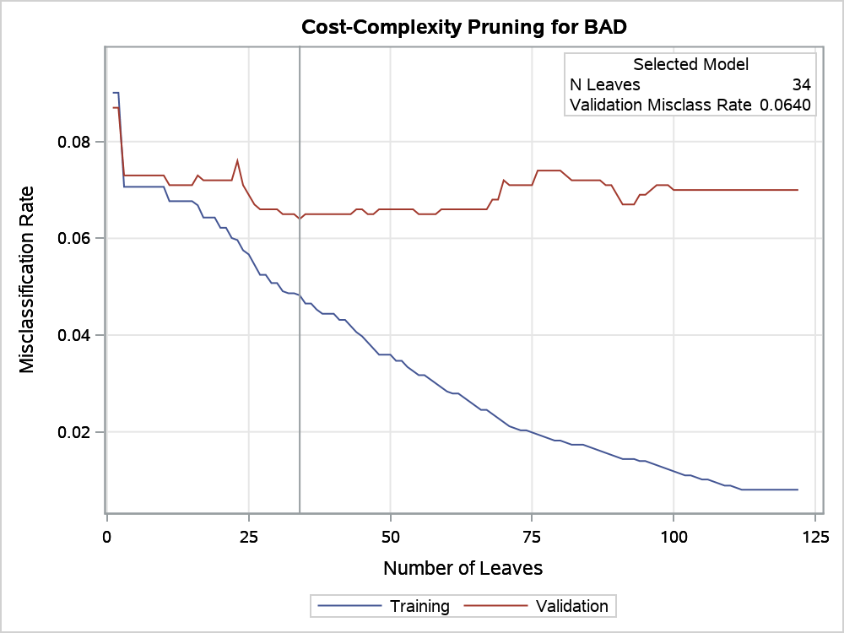
...
Number of Observations Read | 5960
Number of Observations Used | 3364
Number of Training Observations Used | 2364
Number of Validation Observations Used | 1000

Decision tree with FASTCHAID criterion

The HPSPLIT Procedure

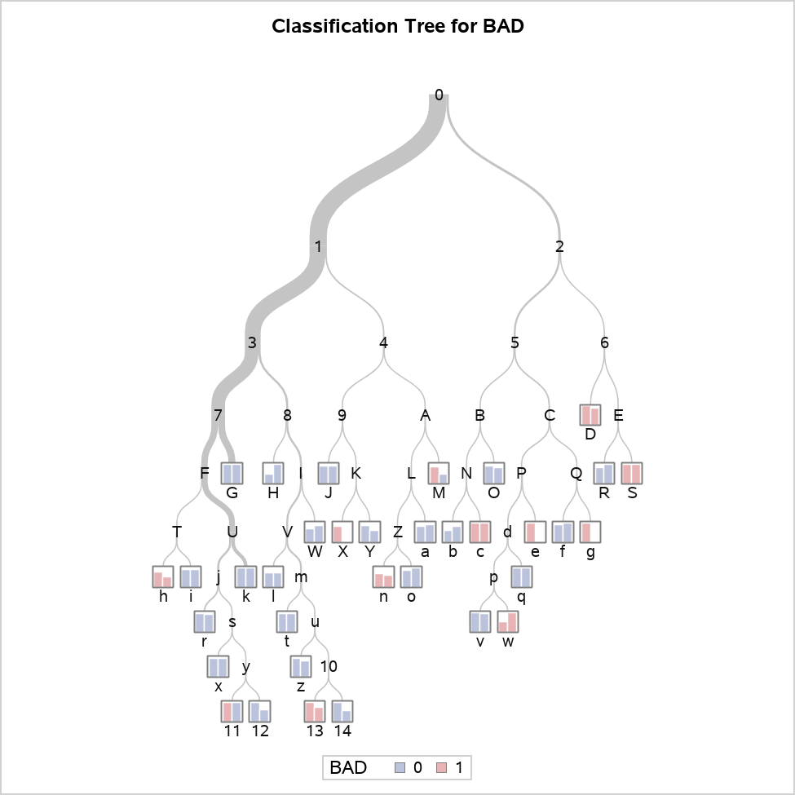

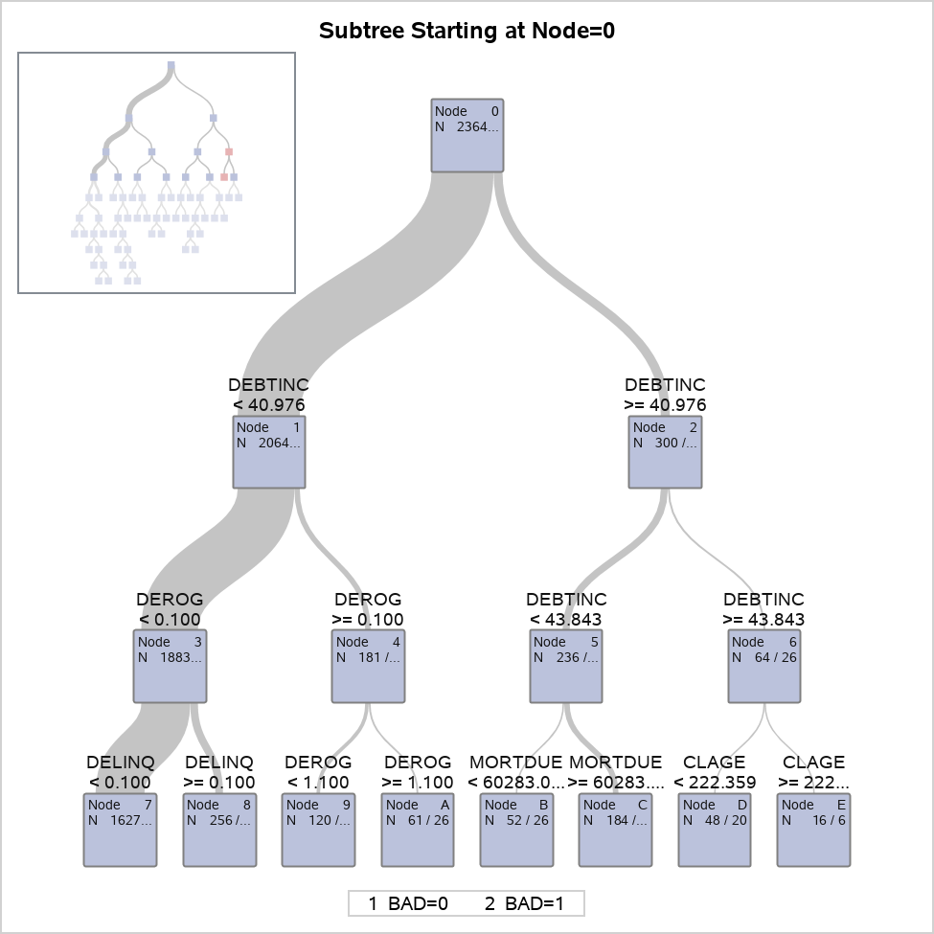

Decision tree with FASTCHAID criterion

The HPSPLIT Procedure

Confusion Matrices
 | Actual | Predicted |  | Error Rate
 |  | 0 | 1
Training | 0 | 2137 | 14 | 0.0065
 | 1 | 100 | 113 | 0.4695
Validation | 0 | 901 | 12 | 0.0131
 | 1 | 52 | 35 | 0.5977

Fit Statistics for Selected Tree
 | N Leaves | ASE | Mis- class | Sensitivity | Specificity | Entropy | Gini
Training | 34 | 0.0408 | 0.0482 | 0.5305 | 0.9935 | 0.2323 | 0.0815
Validation | 34 | 0.0601 | 0.0640 | 0.4023 | 0.9869 | 0.2717 | 0.1014

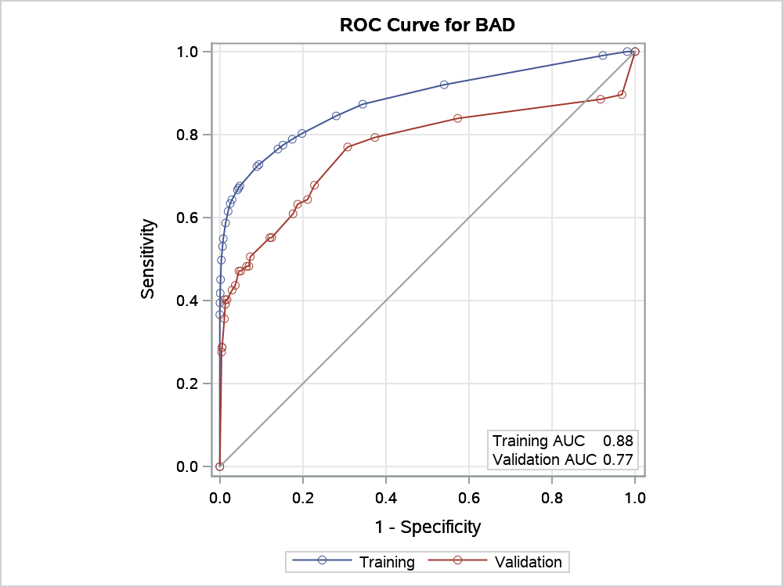

Node Information
ID | Path | Training Data |  |  |  |  | Validation Data
 |  | Count | 0 |  | 1 |  | Count
D | Root Node | 2364 | 0.9099 |  | 0.0901 |  | 1000
 | DEBTINC >= 40.9764 | 300 | 0.7167 |  | 0.2833 |  | 124
 | DEBTINC >= 43.8434 | 64 | 0.1406 |  | 0.8594 |  | 26
 | CLAGE < 222.359 or Missing | 48 | 0.0000 |  | 1.0000 | * | 20
G | Root Node | 2364 | 0.9099 |  | 0.0901 |  | 1000
 | DEBTINC < 40.9764 or Missing | 2064 | 0.9380 |  | 0.0620 |  | 876
...
Variable Importance
DELINQ | 0.2621 | 2.4687 | 0.4936 | 2.5655 | 1.8835 | 3
CLAGE | 0.4128 | 3.8882 | 0.4860 | 2.5260 | 1.1775 | 5
JOB | 0.3011 | 2.8361 | 0.2887 | 1.5005 | 0.9589 | 2
LOAN | 0.3718 | 3.5018 | 0.2338 | 1.2153 | 0.6290 | 4
CLNO | 0.2586 | 2.4354 | 0.1867 | 0.9700 | 0.7219 | 1
VALUE | 0.1069 | 1.0074 | 0.1707 | 0.8871 | 1.5961 | 1
NINQ | 0.2541 | 2.3937 | 0.1449 | 0.7531 | 0.5703 | 2
DEROG | 0.3976 | 3.7454 | 0.1363 | 0.7084 | 0.3428 | 3
YOJ | 0.3773 | 3.5539 | 0.1154 | 0.5996 | 0.3058 | 2

Proc 9 - HPSplit
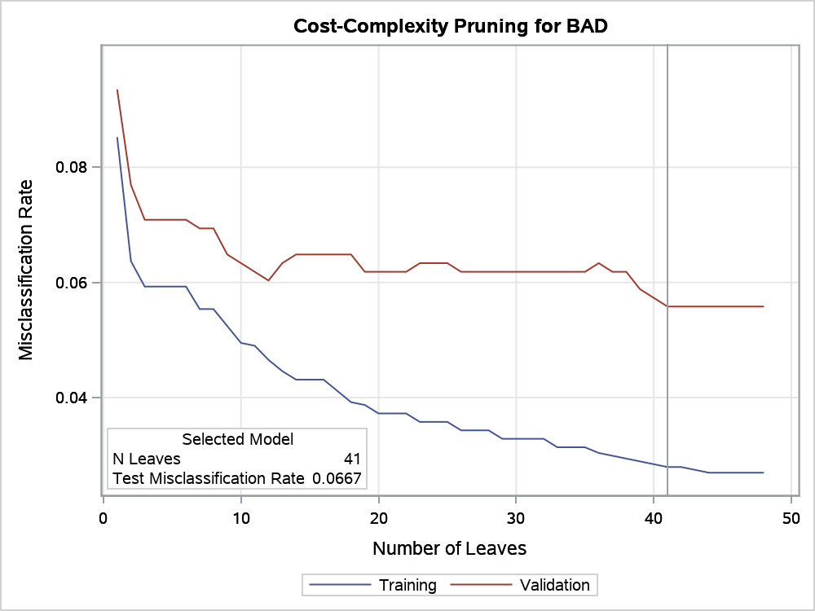
...
Number of Observations Read | 5960
Number of Observations Used | 3364
Number of Training Observations Used | 2041
Number of Validation Observations Used | 663
Number of Test Observations Used | 660

Decision tree with partition of 60% in Training sample, 20% in test sample and 20% in validation sample

The HPSPLIT Procedure

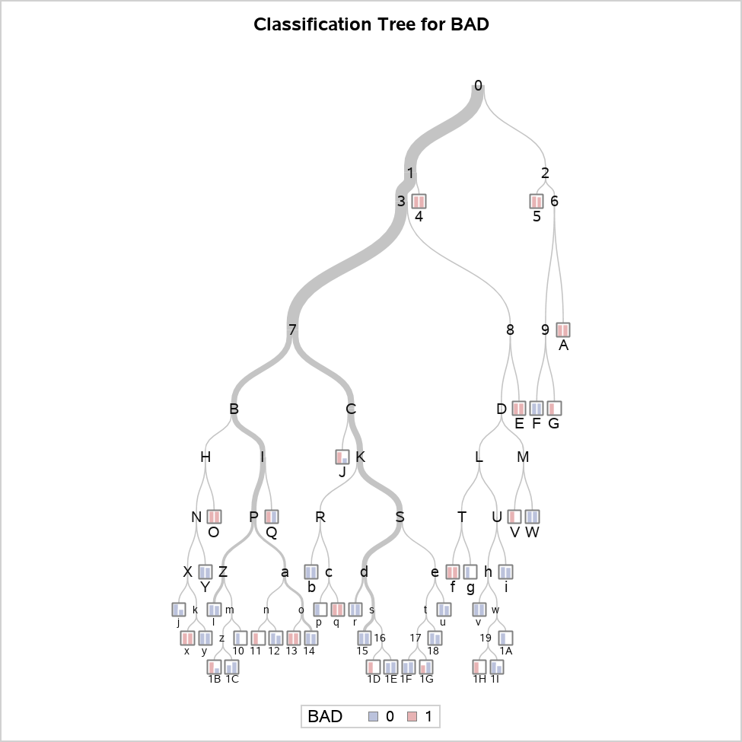



Decision tree with partition of 60% in Training sample, 20% in test sample and 20% in validation sample

The HPSPLIT Procedure

Confusion Matrices
 | Actual | Predicted |  | Error Rate
 |  | 0 | 1
Training | 0 | 1866 | 1 | 0.0005
 | 1 | 56 | 118 | 0.3218
...
 | 1 | 32 | 30 | 0.5161
Test | 0 | 595 | 1 | 0.0017
 | 1 | 43 | 21 | 0.6719

Fit Statistics for Selected Tree
 | N Leaves | ASE | Mis- class | Sensitivity | Specificity | Entropy | Gini
Training | 41 | 0.0258 | 0.0279 | 0.6782 | 0.9995 | 0.1542 | 0.0517
Validation | 41 | 0.0535 | 0.0558 | 0.4839 | 0.9917 | 0.2588 | 0.0922
Test | 41 | 0.0613 | 0.0667 | 0.3281 | 0.9983 | 0.3000 | 0.1144

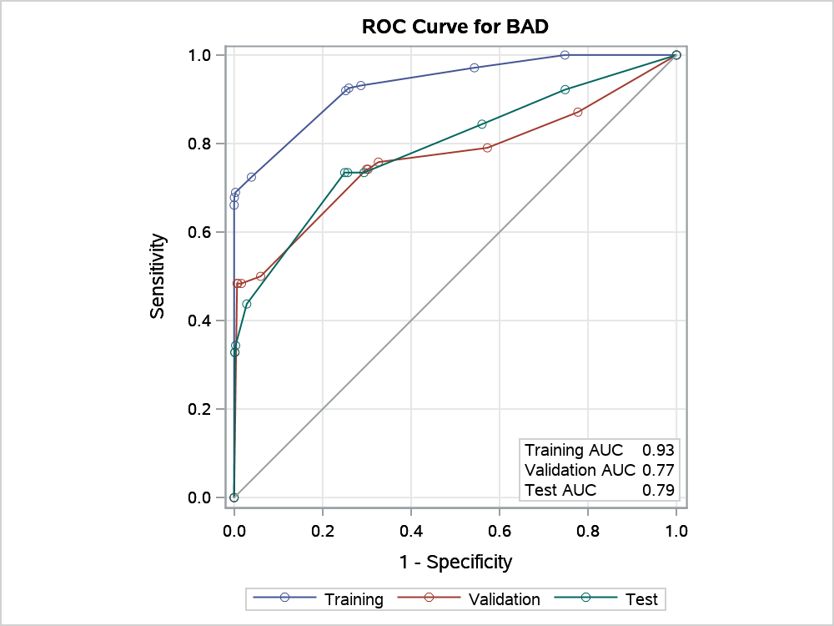

Node Information
ID | Path | Training Data |  |  |  |  | Validation Data
 |  | Count | 0 |  | 1 |  | Count
4 | Root Node | 2041 | 0.9147 |  | 0.0853 |  | 663
 | DEBTINC < 43.8434 or Missing | 1983 | 0.9380 |  | 0.0620 |  | 646
 | DELINQ >= 4.1 | 9 | 0.0000 |  | 1.0000 | * | 4
5 | Root Node | 2041 | 0.9147 |  | 0.0853 |  | 663
 | DEBTINC >= 43.8434 | 58 | 0.1207 |  | 0.8793 |  | 17
 | CLAGE < 222.359 or Missing | 45 | 0.0000 |  | 1.0000 | * | 14
...
Variable Importance
CLNO | 0.4876 | 4.7031 | 0.4467 | 2.1097 | 0.9161 | 9
LOAN | 0.2283 | 2.2022 | 0.4381 | 2.0688 | 1.9186 | 2
VALUE | 0.1849 | 1.7836 | 0.3177 | 1.5004 | 1.7181 | 1
MORTDUE | 0.3488 | 3.3638 | 0.2886 | 1.3628 | 0.8274 | 3
JOB | 0.2349 | 2.2658 | 0.2731 | 1.2898 | 1.1626 | 3
DEROG | 0.3173 | 3.0604 | 0.1764 | 0.8331 | 0.5559 | 1
REASON | 0.1920 | 1.8516 | 0.1711 | 0.8081 | 0.8913 | 1
YOJ | 0.3379 | 3.2594 | 0.0941 | 0.4444 | 0.2785 | 3
NINQ | 0.2499 | 2.4102 | 0.0000 | 0 | 0.0000 | 2

Proc 10 - HPSplit
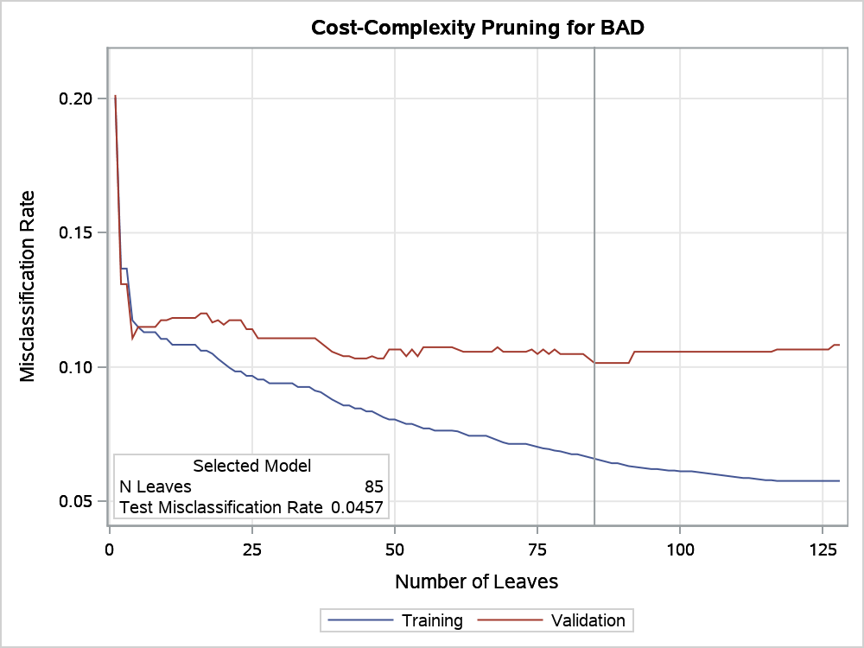
...
Number of Observations Read | 5960
Number of Observations Used | 5960
Number of Training Observations Used | 3629
Number of Validation Observations Used | 1192
Number of Test Observations Used | 1139

Decision tree with missing values
With a partition of 60% in Training sample, 20% in test sample and 20% in validation sample

The HPSPLIT Procedure

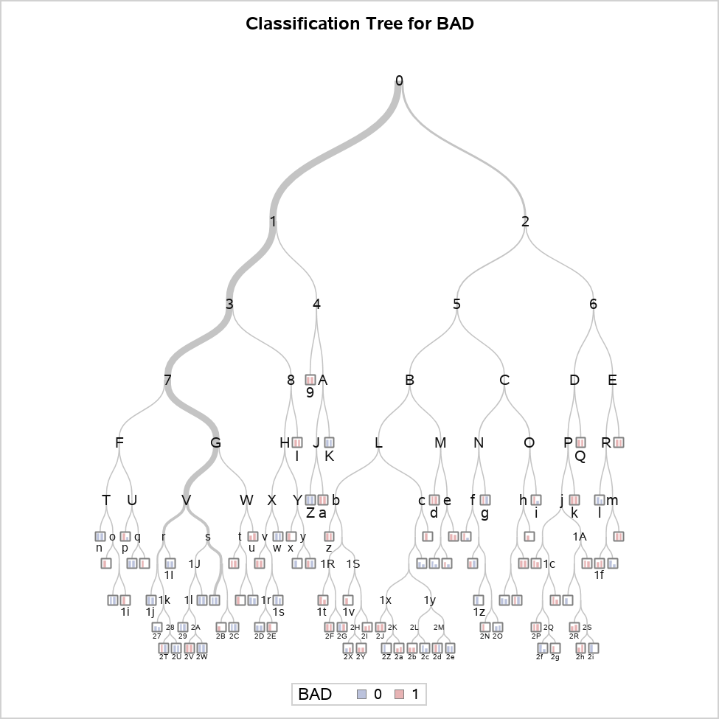

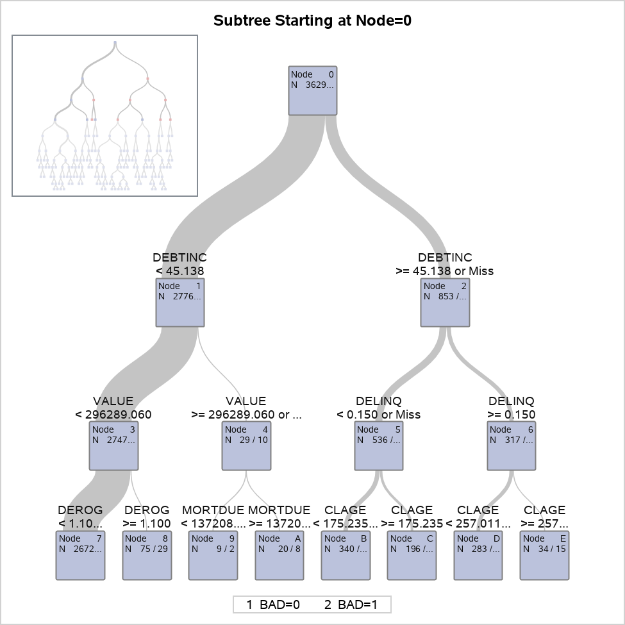

Decision tree with missing values
With a partition of 60% in Training sample, 20% in test sample and 20% in validation sample

The HPSPLIT Procedure

Confusion Matrices
 | Actual | Predicted |  | Error Rate
 |  | 0 | 1
Training | 0 | 2816 | 86 | 0.0296
...
 | 1 | 79 | 161 | 0.3292
Test | 0 | 593 | 3 | 0.0050
 | 1 | 49 | 15 | 0.7656

Fit Statistics for Selected Tree
 | N Leaves | ASE | Mis- class | Sensitivity | Specificity | Entropy | Gini
Training | 85 | 0.0531 | 0.0659 | 0.7895 | 0.9704 | 0.2709 | 0.1061
Validation | 85 | 0.0888 | 0.1015 | 0.6708 | 0.9559 | 0.3589 | 0.1438
Test | 85 | 0.0407 | 0.0457 | 0.2344 | 0.9950 | 0.1767 | 0.0706

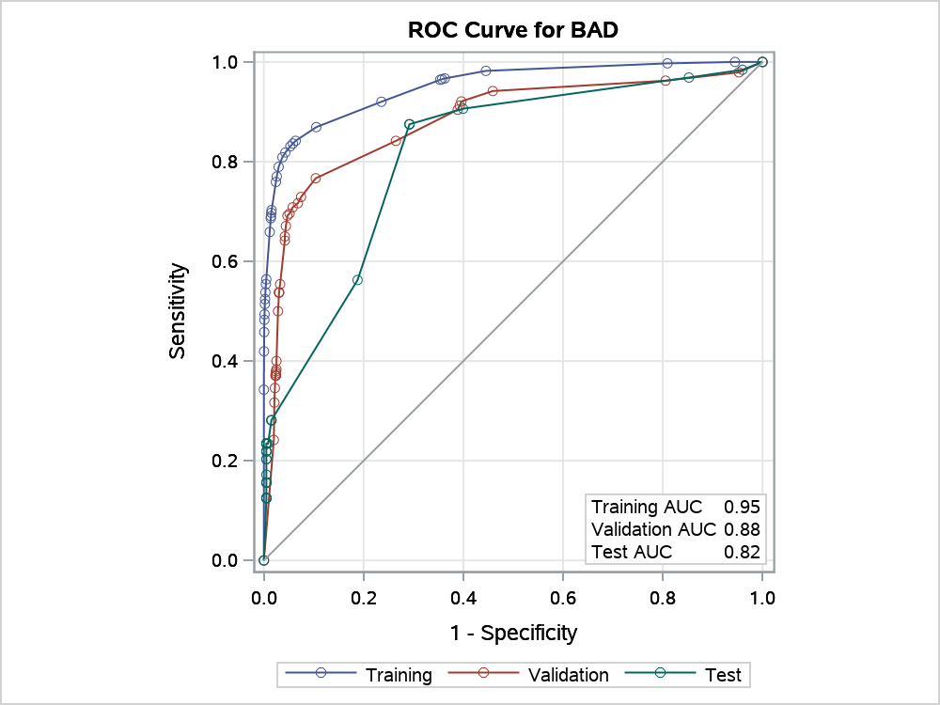

Node Information
ID | Path | Training Data |  |  |  |  | Validation Data
 |  | Count | 0 |  | 1 |  | Count
9 | Root Node | 3629 | 0.7997 |  | 0.2003 |  | 1192
 | DEBTINC < 45.1378 | 2776 | 0.9334 |  | 0.0666 |  | 936
 | VALUE >= 296289 or Missing | 29 | 0.3793 |  | 0.6207 |  | 10
 | MORTDUE < 137209 | 9 | 0.0000 |  | 1.0000 | * | 2
I | Root Node | 3629 | 0.7997 |  | 0.2003 |  | 1192
 | DEBTINC < 45.1378 | 2776 | 0.9334 |  | 0.0666 |  | 936
...
Variable Importance
MORTDUE | 0.3278 | 6.8588 | 0.2228 | 2.6821 | 0.6797 | 10
JOB | 0.2089 | 4.3719 | 0.1837 | 2.2114 | 0.8792 | 6
CLNO | 0.2939 | 6.1496 | 0.1824 | 2.1961 | 0.6207 | 13
VALUE | 0.3129 | 6.5474 | 0.1780 | 2.1428 | 0.5689 | 9
NINQ | 0.1749 | 3.6602 | 0.1192 | 1.4354 | 0.6817 | 4
YOJ | 0.1880 | 3.9333 | 0.0869 | 1.0461 | 0.4623 | 3
DEROG | 0.2256 | 4.7200 | 0.0703 | 0.8467 | 0.3118 | 4
REASON | 0.0879 | 1.8397 | 0.0361 | 0.4351 | 0.4111 | 1
LOAN | 0.1410 | 2.9509 | 0.0196 | 0.2357 | 0.1388 | 4

Proc 11 - HPSplit
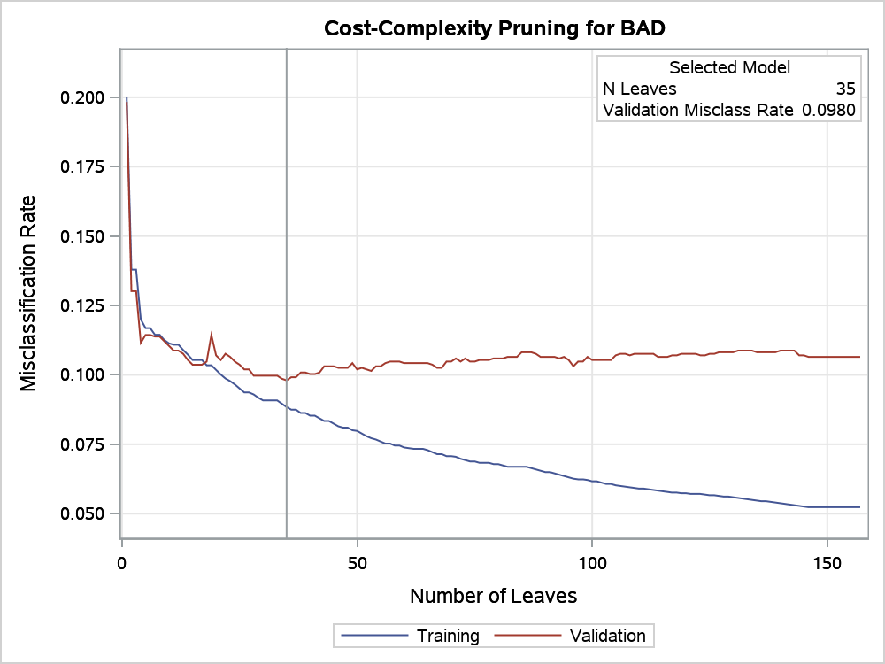
...
Number of Observations Read | 5960
Number of Observations Used | 5960
Number of Training Observations Used | 4185
Number of Validation Observations Used | 1775

Decision tree with a partition of 70% of data in training sample and 30% in validation sample
Tree with all values

The HPSPLIT Procedure

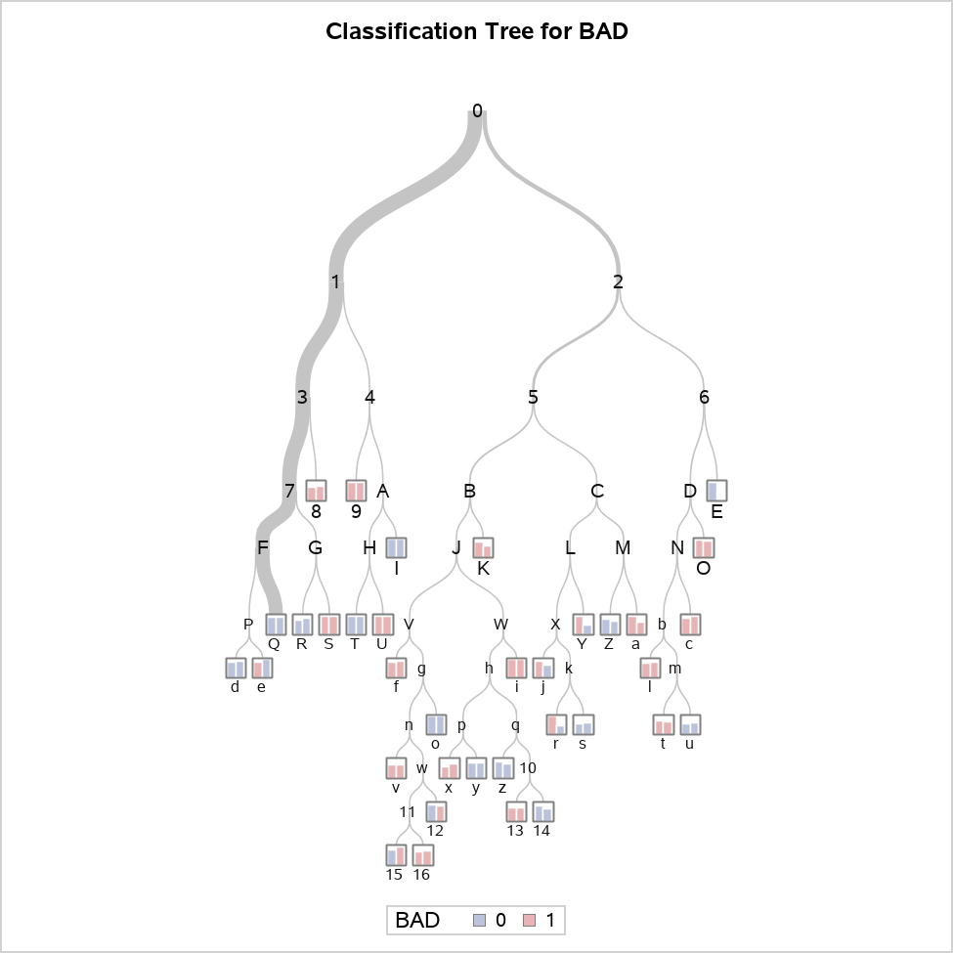

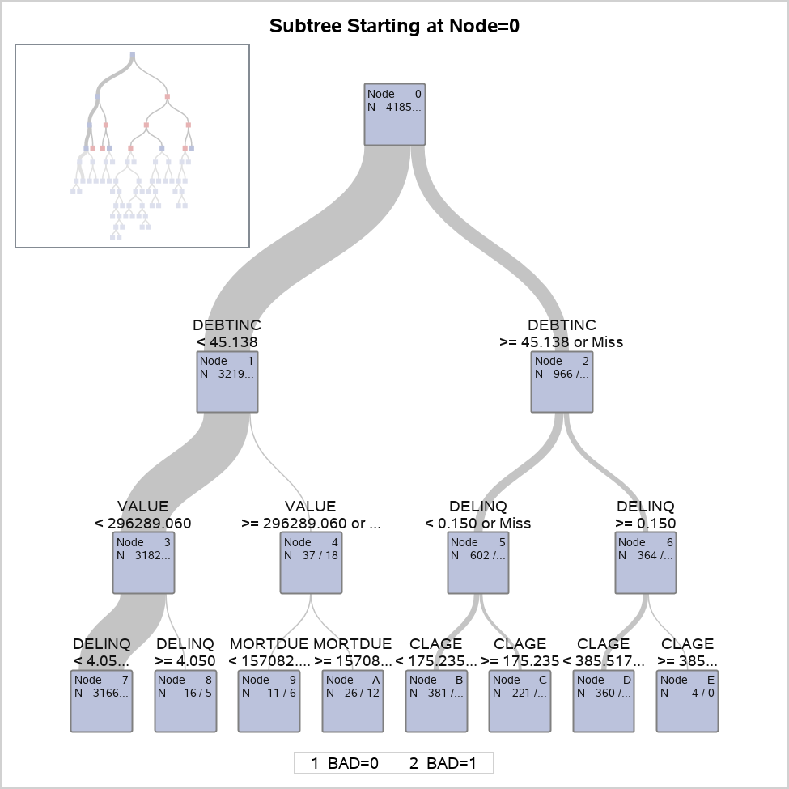

Decision tree with a partition of 70% of data in training sample and 30% in validation sample
Tree with all values

The HPSPLIT Procedure

Confusion Matrices
 | Actual | Predicted |  | Error Rate
 |  | 0 | 1
Training | 0 | 3219 | 129 | 0.0385
 | 1 | 241 | 596 | 0.2879
Validation | 0 | 1370 | 53 | 0.0372
 | 1 | 121 | 231 | 0.3438

Fit Statistics for Selected Tree
 | N Leaves | ASE | Mis- class | Sensitivity | Specificity | Entropy | Gini
Training | 35 | 0.0736 | 0.0884 | 0.7121 | 0.9615 | 0.3835 | 0.1473
Validation | 35 | 0.0837 | 0.0980 | 0.6563 | 0.9628 | 0.3982 | 0.1532

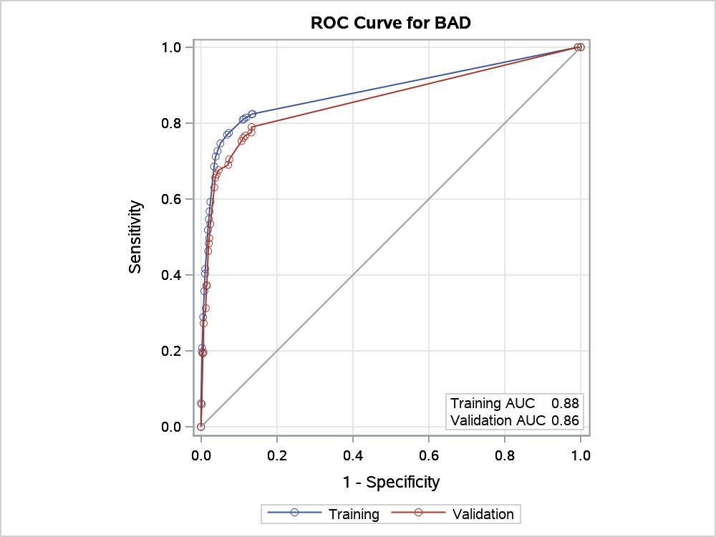

Node Information
ID | Path | Training Data |  |  |  |  | Validation Data
 |  | Count | 0 |  | 1 |  | Count
8 | Root Node | 4185 | 0.8000 |  | 0.2000 |  | 1775
 | DEBTINC < 45.1378 | 3219 | 0.9304 |  | 0.0696 |  | 1392
 | VALUE < 296289 | 3182 | 0.9365 |  | 0.0635 |  | 1374
 | DELINQ >= 4.05 | 16 | 0.2500 |  | 0.7500 | * | 5
9 | Root Node | 4185 | 0.8000 |  | 0.2000 |  | 1775
 | DEBTINC < 45.1378 | 3219 | 0.9304 |  | 0.0696 |  | 1392
...
Variable Importance
VALUE | 0.2788 | 6.0713 | 0.2370 | 3.4013 | 0.8502 | 4
JOB | 0.1577 | 3.4349 | 0.1927 | 2.7657 | 1.2220 | 3
MORTDUE | 0.2330 | 5.0743 | 0.1657 | 2.3773 | 0.7110 | 4
CLNO | 0.1831 | 3.9876 | 0.1470 | 2.1099 | 0.8030 | 3
NINQ | 0.1157 | 2.5193 | 0.1261 | 1.8099 | 1.0903 | 1
DEROG | 0.1933 | 4.2098 | 0.0995 | 1.4276 | 0.5147 | 3
LOAN | 0.1191 | 2.5944 | 0.0941 | 1.3501 | 0.7898 | 2
REASON | 0.0796 | 1.7327 | 0.0356 | 0.5112 | 0.4477 | 1
YOJ | 0.1879 | 4.0920 | 0.0000 | 0 | 0.0000 | 2

Proc 12 - HPSplit
...
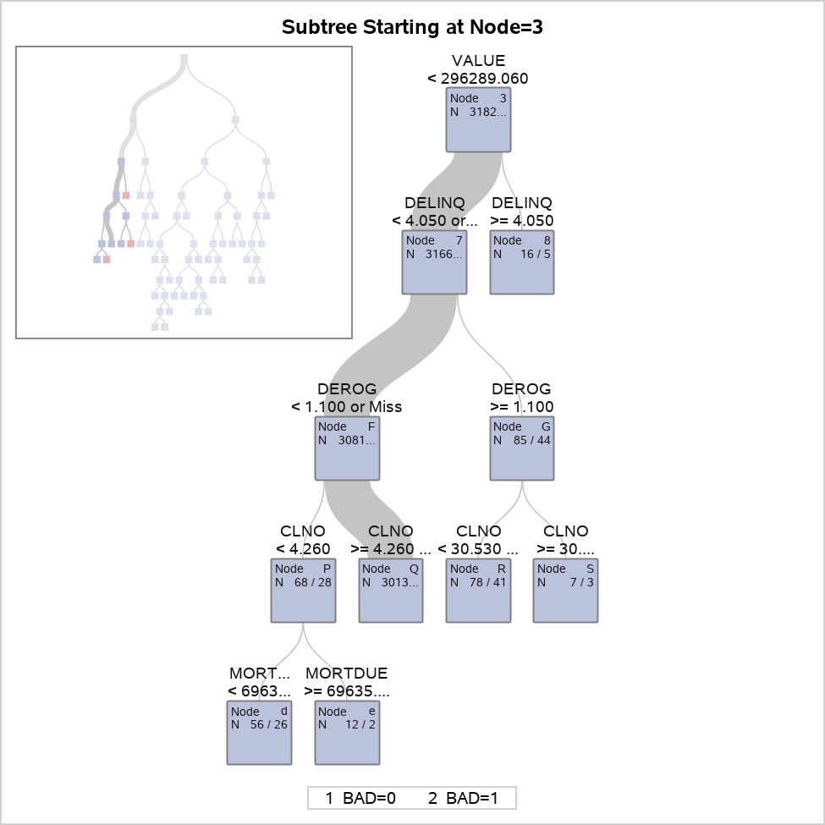

View the subtree starting at Node 3

The HPSPLIT Procedure

Confusion Matrices
 | Actual | Predicted |  | Error Rate
 |  | 0 | 1
Training | 0 | 3219 | 129 | 0.0385
 | 1 | 241 | 596 | 0.2879
...

Proc 13 - HPSplit
...
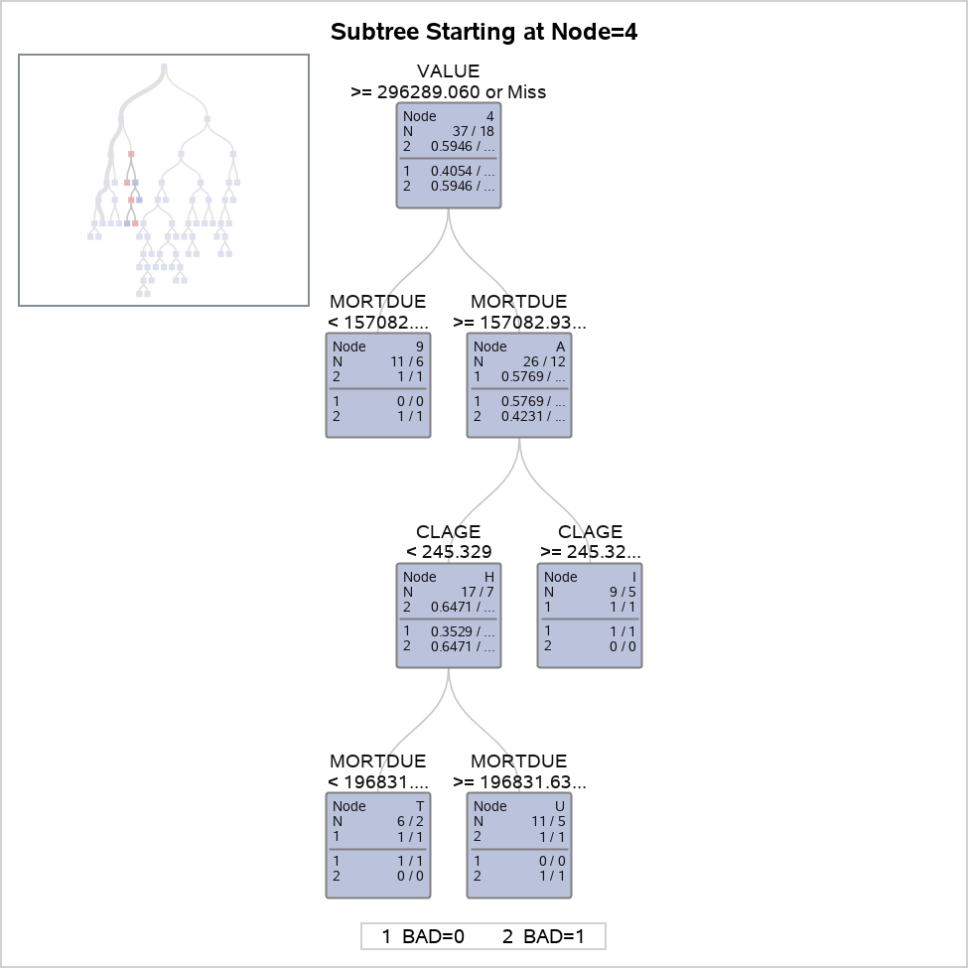

View the subtree starting at Node 4

The HPSPLIT Procedure

Confusion Matrices
 | Actual | Predicted |  | Error Rate
 |  | 0 | 1
Training | 0 | 3219 | 129 | 0.0385
 | 1 | 241 | 596 | 0.2879
...

Proc 14 - HPSplit
...
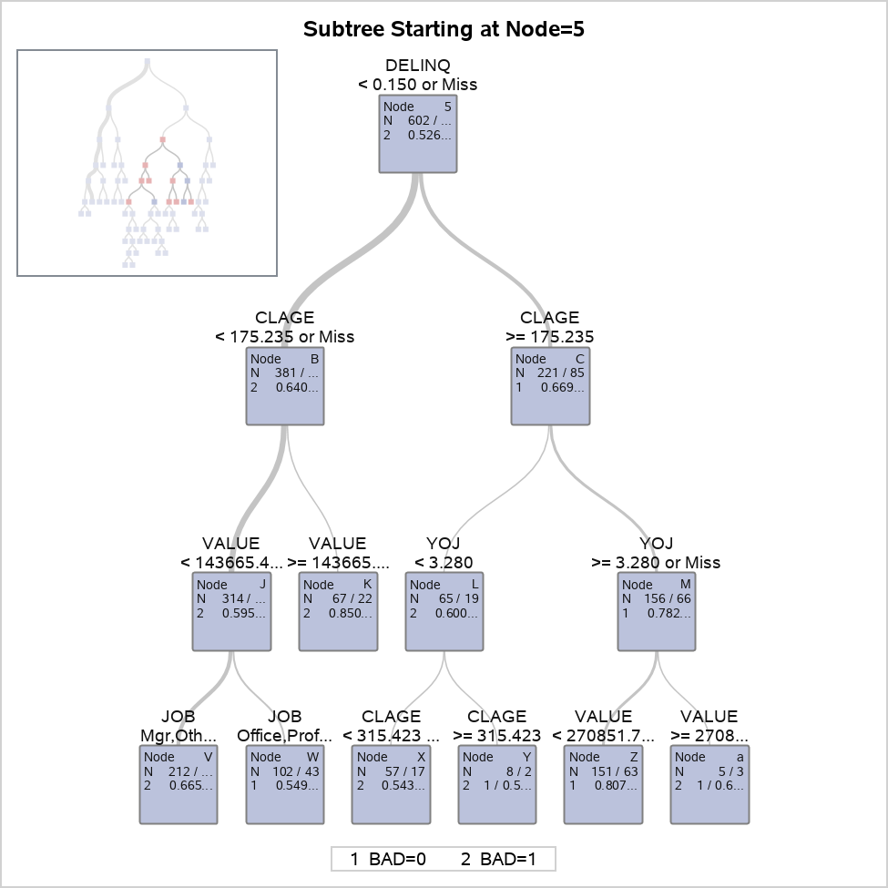

View the subtree starting at Node 5

The HPSPLIT Procedure

Confusion Matrices
 | Actual | Predicted |  | Error Rate
 |  | 0 | 1
Training | 0 | 3219 | 129 | 0.0385
 | 1 | 241 | 596 | 0.2879
...

Proc 15 - HPSplit
...
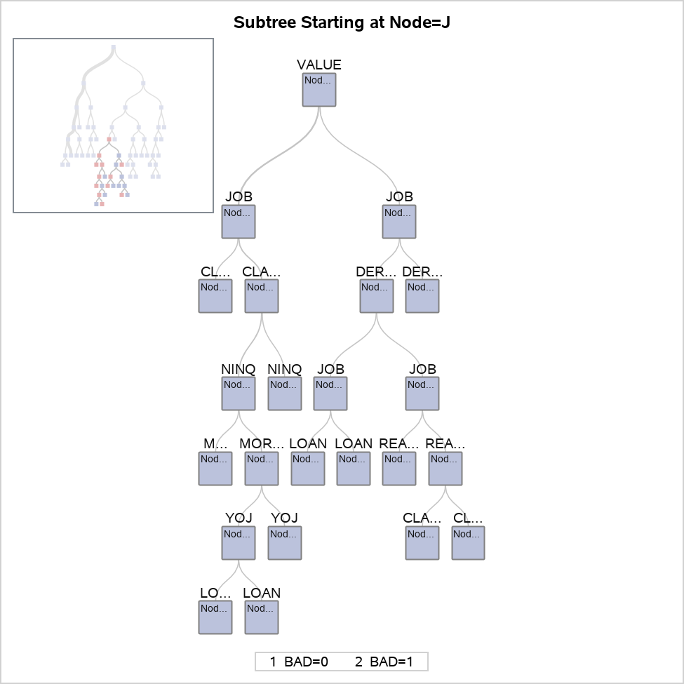

View the subtree starting at Node J

The HPSPLIT Procedure

Confusion Matrices
 | Actual | Predicted |  | Error Rate
 |  | 0 | 1
Training | 0 | 3219 | 129 | 0.0385
 | 1 | 241 | 596 | 0.2879
...

Proc 16 - HPSplit
...
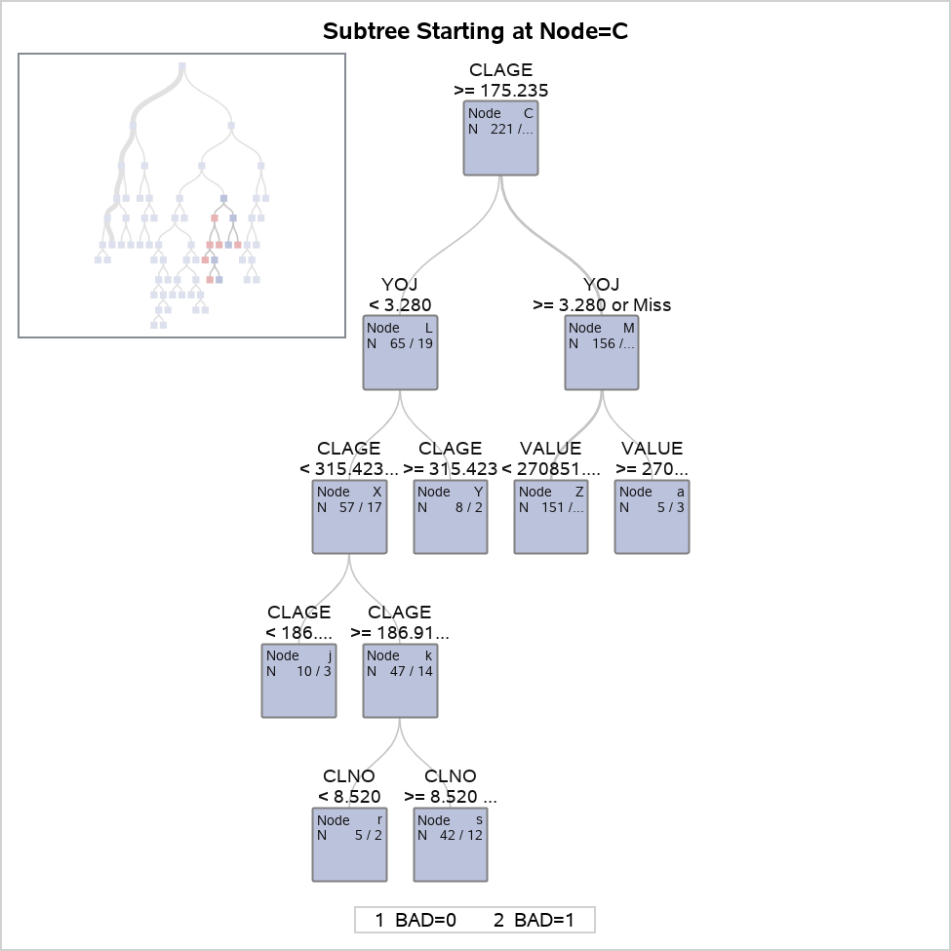

View the subtree starting at Node C

The HPSPLIT Procedure

Confusion Matrices
 | Actual | Predicted |  | Error Rate
 |  | 0 | 1
Training | 0 | 3219 | 129 | 0.0385
 | 1 | 241 | 596 | 0.2879
...

Proc 17 - HPSplit
...
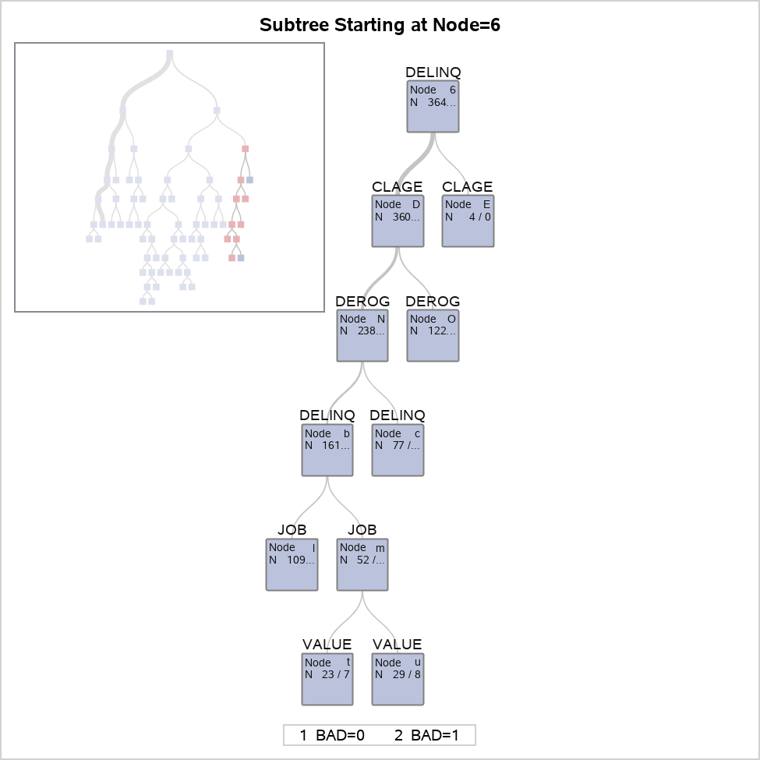

View the subtree starting at Node 6

The HPSPLIT Procedure

Confusion Matrices
 | Actual | Predicted |  | Error Rate
 |  | 0 | 1
Training | 0 | 3219 | 129 | 0.0385
 | 1 | 241 | 596 | 0.2879
...

Proc 18 - HPSplit
...
Model Information
Number of Leaves After Pruning | 22
Model Event Level | 1

Number of Observations Read | 5960
Number of Observations Used | 3364

Decision tree with cross validation on the training sample

The HPSPLIT Procedure

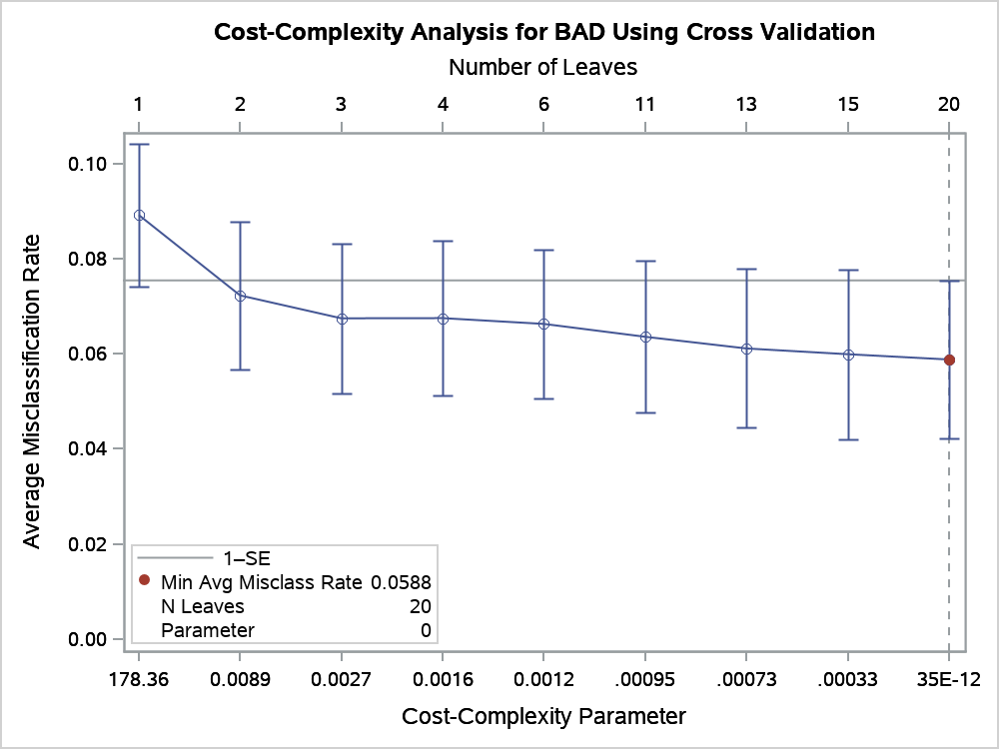

10-Fold Cross Validation Assessment of Model
N Leaves | Average Square Error |  |  |  | Number of Leaves
 | Min | Avg | Standard Error | Max | Min | Median | Max
20 | 0.0385 | 0.0562 | 0.0121 | 0.0787 | 19 | 20.0 | 23

10-Fold Cross Validation Confusion Matrix
Actual | Predicted |  | Error Rate
 | 0 | 1
0 | 3056 | 8 | 0.0026
1 | 194 | 106 | 0.6467

Decision tree with cross validation on the training sample

The HPSPLIT Procedure

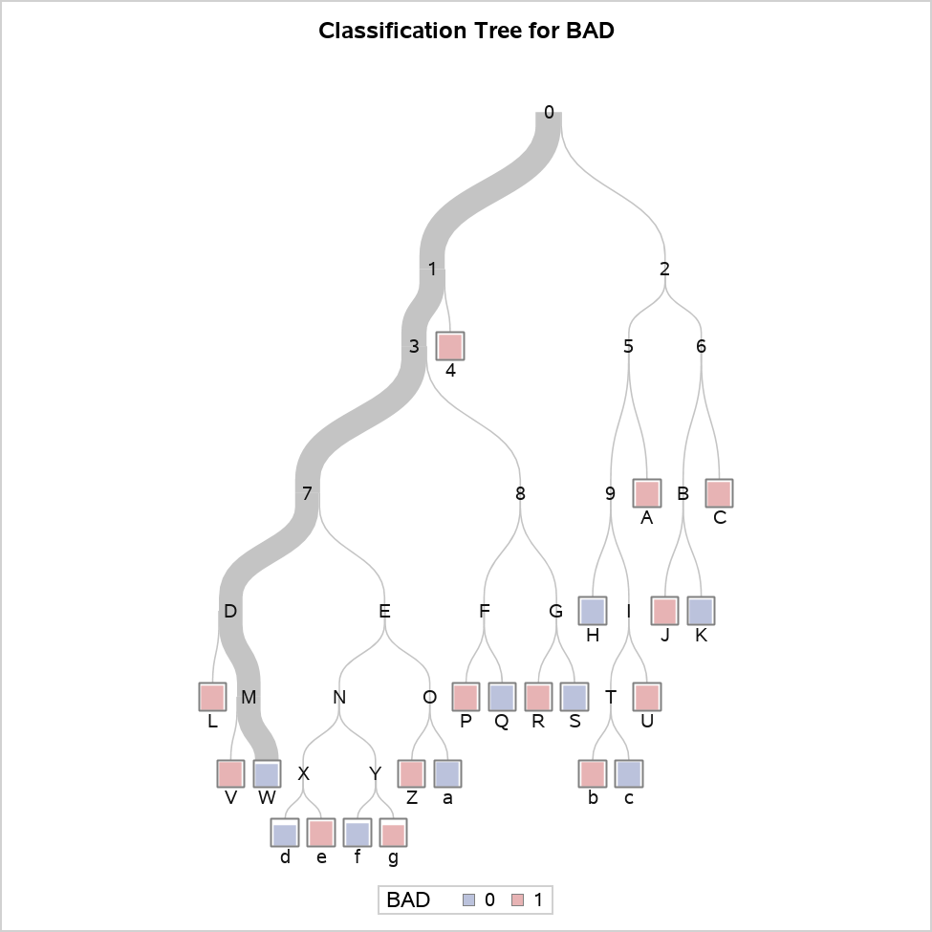

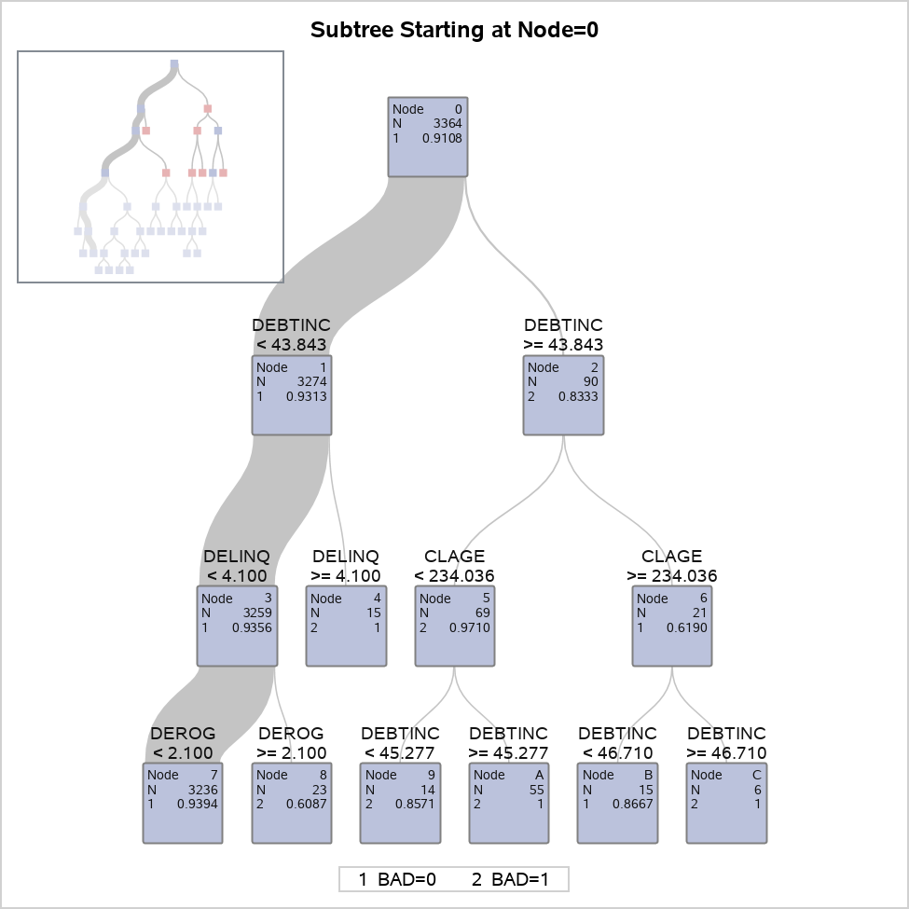

Decision tree with cross validation on the training sample

The HPSPLIT Procedure

Confusion Matrices
 | Actual | Predicted |  | Error Rate
 |  | 0 | 1
Model Based | 0 | 3063 | 1 | 0.0003
 | 1 | 170 | 130 | 0.5667
Cross Validation | 0 | 3056 | 8 | 0.0026
 | 1 | 194 | 106 | 0.6467

Fit Statistics for Selected Tree
 | N Leaves | ASE | Mis- class | Sensitivity | Specificity | Entropy | Gini
Model Based | 22 | 0.0479 | 0.0508 | 0.4333 | 0.9997 | 0.2845 | 0.0959
Cross Validation | 20 | 0.0562 | 0.0600 | 0.3533 | 0.9974

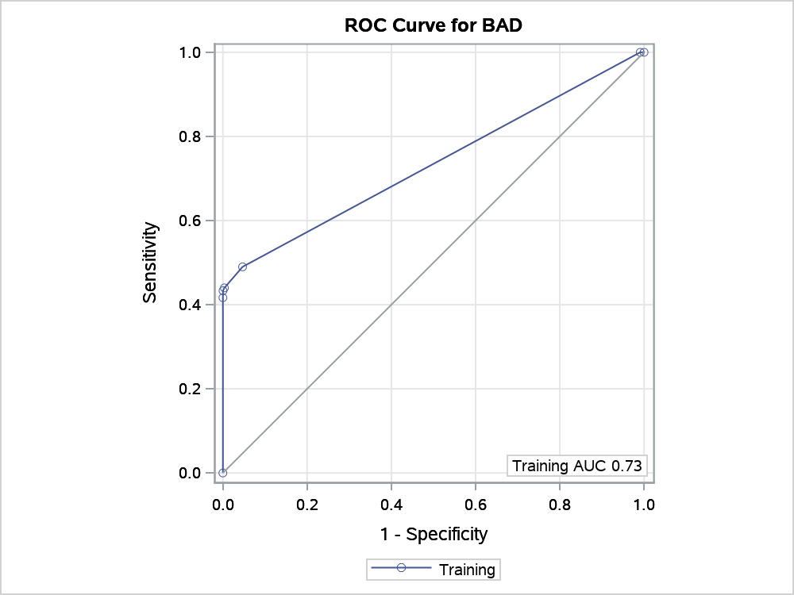

Node Information
ID | Path | Training Data
 |  | Count | 0 |  | 1
4 | Root Node | 3364 | 0.9108 |  | 0.0892
 | DEBTINC < 43.8434 or Missing | 3274 | 0.9313 |  | 0.0687
 | DELINQ >= 4.1 | 15 | 0.0000 |  | 1.0000 | *
A | Root Node | 3364 | 0.9108 |  | 0.0892
 | DEBTINC >= 43.8434 | 90 | 0.1667 |  | 0.8333
 | CLAGE < 234.036 or Missing | 69 | 0.0290 |  | 0.9710
...

